c3_R5
Sweep | Event Time (s) | Threshold (V) | Threshold Time (s) | Peak (V) | Peak Time (s) | AHP (V) | AHP Time (s) | Absolute Event Time (s) | Interevent Interval (s) | Max Slope (V/s) | Min Slope (V/s) | AP Duration @ 50% (s) | Threshold (mV) | Threshold Time (ms) | Peak (mV) | Peak Time (ms) | AHP m(V) | AHP Time (ms) | Interevent Interval (s) | Max Slope (V/s) | Min Slope (V/s) | Max/Min dV/dt | AP Duration @ 50% (s) | Number of Events | Time | First Event |  | Last Event |  | Copyable |  |  | dV/dt Graph
1 | 0.013 | -0.041448973 | -0.00055 | 0.012988281 | 0.00034999999 | -0.053570557 | 0.0114 | 0.035380002 |  | 110.16846 | -43.273926 | 0.0012676505 | -41.518974315 | -0.75099431437 | 8.8418787114 | 0.34076704051 | -51.990231545 | 13.877840909 | 28.440313456 | 82.676106855 | -31.947049222 | 2.5879105855 | 1.581694073 | 352 | X | Y (V) | Y (mV) | Y (V) | Y (mV) |  |  |  | ReviewAP | diffAP
1 | 0.03985 | -0.041741945 | -0.00065 | 0.011523438 | 0.00030000001 | -0.053295899 | 0.01335 | 0.062230002 | 0.02685 | 106.07909 | -38.696289 | 0.0013304272 |  |  |  |  |  |  |  |  |  |  |  |  | 0 | -0.048878666 | -48.878666 | -0.048968505 | -48.968505 | 0 | -48.878666 | -48.968505 | -0.048878666 | 0.94495714
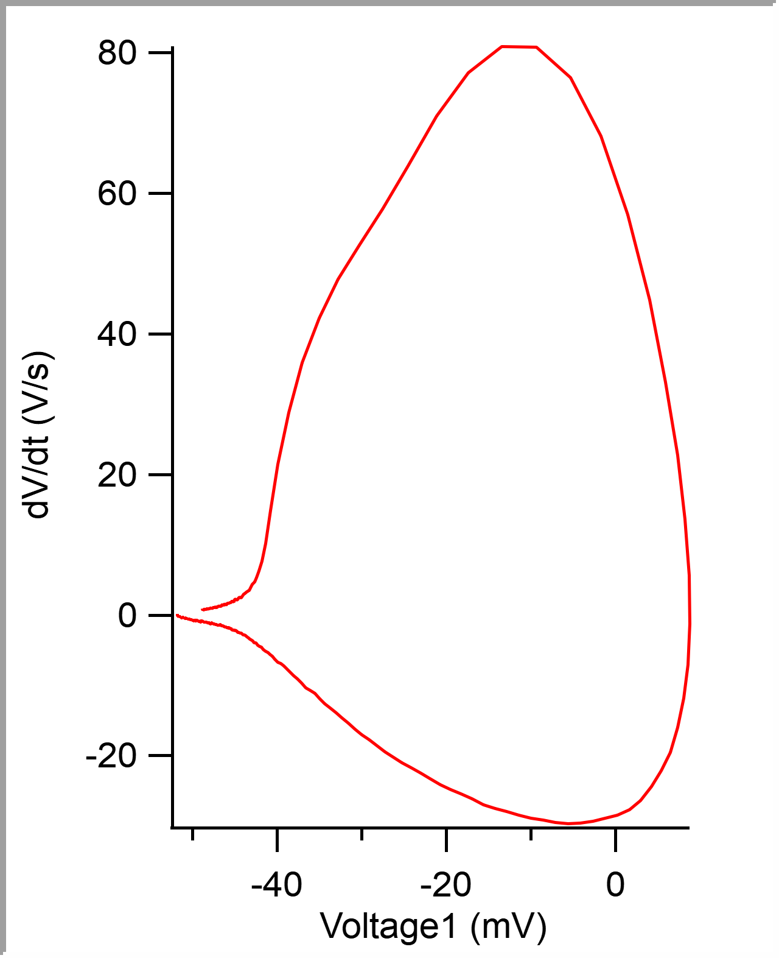
1 | 0.066349998 | -0.041241456 | -0.00060000003 | 0.012786865 | 0.00034999999 | -0.053045653 | 0.01175 | 0.08873 | 0.026499998 | 105.34668 | -43.334961 | 0.0012761045 |  |  |  |  |  |  |  |  |  |  |  |  | 5.00E-05 | -0.048831418 | -48.831418 | -0.049035646 | -49.035646 | 0.00005 | -48.831418 | -49.035646 | -0.048831418 | 0.84988773
1 | 0.09245 | -0.040734865 | -0.00060000003 | 0.012023926 | 0.00030000001 | -0.053930663 | 0.012 | 0.11483 | 0.026100002 | 104.24805 | -40.95459 | 0.0012591584 |  |  |  |  |  |  |  |  |  |  |  |  | 0.0001 | -0.048793677 | -48.793677 | -0.049133301 | -49.133301 | 0.0001 | -48.793677 | -49.133301 | -0.048793677 | 0.70750713
1 | 0.12025 | -0.041595459 | -0.00060000003 | 0.013146972 | 0.00034999999 | -0.053533934 | 0.01125 | 0.14263 | 0.027799994 | 112.06055 | -42.724609 | 0.0012832677 |  |  |  |  |  |  |  |  |  |  |  |  | 0.00015 | -0.048760667 | -48.760667 | -0.049035646 | -49.035646 | 0.00015 | -48.760667 | -49.035646 | -0.048760667 | 0.6962195
1 | 0.1469 | -0.041949462 | -0.00055 | 0.012866211 | 0.00034999999 | -0.053692628 | 0.0137 | 0.16927999 | 0.026649997 | 114.19677 | -42.236328 | 0.0012884211 |  |  |  |  |  |  |  |  |  |  |  |  | 0.0002 | -0.048724055 | -48.724055 | -0.04888916 | -48.88916 | 0.0002 | -48.724055 | -48.88916 | -0.048724055 | 0.78070909
1 | 0.1744 | -0.041088868 | -0.00060000003 | 0.011901855 | 0.00034999999 | -0.053332519 | 0.01395 | 0.19678 | 0.027500004 | 108.09326 | -42.419434 | 0.0012857751 |  |  |  |  |  |  |  |  |  |  |  |  | 0.00025 | -0.048682597 | -48.682597 | -0.048797607 | -48.797607 | 0.00025 | -48.682597 | -48.797607 | -0.048682597 | 0.84042549
1 | 0.20100001 | -0.041888427 | -0.00060000003 | 0.011907959 | 0.00034999999 | -0.054040529 | 0.01195 | 0.22338 | 0.026600003 | 102.23389 | -40.832516 | 0.0012975098 |  |  |  |  |  |  |  |  |  |  |  |  | 0.0003 | -0.048640013 | -48.640013 | -0.048822023 | -48.822023 | 0.0003 | -48.640013 | -48.822023 | -0.048640013 | 0.82258135
1 | 0.22840001 | -0.042095948 | -0.00065 | 0.012304688 | 0.00030000001 | -0.05255127 | 0.0119 | 0.25078002 | 0.027400017 | 110.96191 | -41.992188 | 0.0012790668 |  |  |  |  |  |  |  |  |  |  |  |  | 0.00035 | -0.048600338 | -48.600338 | -0.04874878 | -48.74878 | 0.00035 | -48.600338 | -48.74878 | -0.048600338 | 0.82835555
1 | 0.2538 | -0.041333009 | -0.00060000003 | 0.011358643 | 0.00034999999 | -0.053503416 | 0.01275 | 0.27618 | 0.025399983 | 97.534172 | -37.353516 | 0.0013271751 |  |  |  |  |  |  |  |  |  |  |  |  | 0.0004 | -0.048557177 | -48.557177 | -0.048760988 | -48.760988 | 0.0004 | -48.557177 | -48.760988 | -0.048557177 | 0.86352229
1 | 0.28119999 | -0.042077638 | -0.00065 | 0.012481689 | 0.00034999999 | -0.05267334 | 0.01465 | 0.30357999 | 0.027399987 | 106.14014 | -39.245605 | 0.0013176023 |  |  |  |  |  |  |  |  |  |  |  |  | 0.00045 | -0.048513986 | -48.513986 | -0.04873047 | -48.73047 | 0.00045 | -48.513986 | -48.73047 | -0.048513986 | 0.87503344
1 | 0.3071 | -0.041668702 | -0.00065 | 0.011877442 | 0.00030000001 | -0.053692628 | 0.01265 | 0.32947999 | 0.025900006 | 103.69873 | -42.297363 | 0.0013164013 |  |  |  |  |  |  |  |  |  |  |  |  | 0.0005 | -0.048469674 | -48.469674 | -0.048712157 | -48.712157 | 0.0005 | -48.469674 | -48.712157 | -0.048469674 | 0.81572682
1 | 0.33450001 | -0.040948488 | -0.00060000003 | 0.012561035 | 0.00034999999 | -0.053387452 | 0.01185 | 0.35688001 | 0.027400017 | 108.64258 | -42.297359 | 0.0012650932 |  |  |  |  |  |  |  |  |  |  |  |  | 0.00055 | -0.048432413 | -48.432413 | -0.048669435 | -48.669435 | 0.00055 | -48.432413 | -48.669435 | -0.048432413 | 0.75705349
1 | 0.36129999 | -0.042144775 | -0.00065 | 0.011450196 | 0.00034999999 | -0.052447509 | 0.01355 | 0.38367999 | 0.026799977 | 106.14014 | -39.245602 | 0.0013086105 |  |  |  |  |  |  |  |  |  |  |  |  | 0.0006 | -0.048393968 | -48.393968 | -0.048577882 | -48.577882 | 0.0006 | -48.393968 | -48.577882 | -0.048393968 | 0.75716525
1 | 0.38710001 | -0.040844727 | -0.00065 | 0.010522461 | 0.00030000001 | -0.052600097 | 0.0148 | 0.40948001 | 0.02580002 | 95.52002 | -38.024902 | 0.0013025743 |  |  |  |  |  |  |  |  |  |  |  |  | 0.00065 | -0.048356697 | -48.356697 | -0.048522949 | -48.522949 | 0.00065 | -48.356697 | -48.522949 | -0.048356697 | 0.87548047
1 | 0.41444999 | -0.041778564 | -0.00060000003 | 0.011260986 | 0.00034999999 | -0.053759765 | 0.01285 | 0.43682998 | 0.027349979 | 103.69873 | -40.52734 | 0.0013414447 |  |  |  |  |  |  |  |  |  |  |  |  | 0.0007 | -0.04830642 | -48.30642 | -0.048583984 | -48.583984 | 0.0007 | -48.30642 | -48.583984 | -0.04830642 | 0.90286136
1 | 0.44159999 | -0.042218018 | -0.00065 | 0.012268066 | 0.00034999999 | -0.052368164 | 0.01355 | 0.46397999 | 0.027150005 | 105.77393 | -40.466309 | 0.0013120017 |  |  |  |  |  |  |  |  |  |  |  |  | 0.00075 | -0.048266411 | -48.266411 | -0.048492432 | -48.492432 | 0.00075 | -48.266411 | -48.492432 | -0.048266411 | 0.78313053
1 | 0.46704999 | -0.041662596 | -0.00060000003 | 0.011761474 | 0.00039999999 | -0.054058839 | 0.0122 | 0.48942998 | 0.025449991 | 99.548332 | -43.09082 | 0.0013602505 |  |  |  |  |  |  |  |  |  |  |  |  | 0.0008 | -0.048228107 | -48.228107 | -0.048406981 | -48.406981 | 0.0008 | -48.228107 | -48.406981 | -0.048228107 | 0.89228153
1 | 0.49335 | -0.04212036 | -0.00060000003 | 0.012640381 | 0.00034999999 | -0.052764893 | 0.01125 | 0.51573002 | 0.026300043 | 106.2622 | -39.306637 | 0.0013431121 |  |  |  |  |  |  |  |  |  |  |  |  | 0.00085 | -0.048177183 | -48.177183 | -0.048345946 | -48.345946 | 0.00085 | -48.177183 | -48.345946 | -0.048177183 | 0.98533928
1 | 0.51920003 | -0.042248536 | -0.00060000003 | 0.011437988 | 0.00034999999 | -0.053204346 | 0.01145 | 0.54158002 | 0.025849998 | 101.92871 | -41.687012 | 0.0013173701 |  |  |  |  |  |  |  |  |  |  |  |  | 0.0009 | -0.048129573 | -48.129573 | -0.048370361 | -48.370361 | 0.0009 | -48.129573 | -48.370361 | -0.048129573 | 0.94834715
1 | 0.54629999 | -0.040612794 | -0.00060000003 | 0.011730957 | 0.00034999999 | -0.052496336 | 0.012 | 0.56867999 | 0.027099967 | 98.815926 | -38.574219 | 0.0013325211 |  |  |  |  |  |  |  |  |  |  |  |  | 0.00095 | -0.048082348 | -48.082348 | -0.048352052 | -48.352052 | 0.00095 | -48.082348 | -48.352052 | -0.048082348 | 0.89041889
1 | 0.57134998 | -0.041333009 | -0.00065 | 0.011676026 | 0.00034999999 | -0.05291748 | 0.01205 | 0.59372997 | 0.025049984 | 92.407227 | -39.123535 | 0.0013597804 |  |  |  |  |  |  |  |  |  |  |  |  | 0.001 | -0.048040532 | -48.040532 | -0.048303224 | -48.303224 | 0.001 | -48.040532 | -48.303224 | -0.048040532 | 0.90166926
1 | 0.59735 | -0.041790772 | -0.00065 | 0.011883545 | 0.00034999999 | -0.052825928 | 0.0132 | 0.61973 | 0.026000023 | 101.13525 | -42.419434 | 0.0013494141 |  |  |  |  |  |  |  |  |  |  |  |  | 0.00105 | -0.047992181 | -47.992181 | -0.048284911 | -48.284911 | 0.00105 | -47.992181 | -48.284911 | -0.047992181 | 0.90844929
1 | 0.62314999 | -0.041705322 | -0.00069999998 | 0.011553955 | 0.00030000001 | -0.051934816 | 0.0141 | 0.64552999 | 0.02579999 | 95.214851 | -38.696289 | 0.0013965408 |  |  |  |  |  |  |  |  |  |  |  |  | 0.0011 | -0.047949687 | -47.949687 | -0.048211671 | -48.211671 | 0.0011 | -47.949687 | -48.211671 | -0.047949687 | 0.93743205
1 | 0.6494 | -0.04135742 | -0.00069999998 | 0.010205078 | 0.00030000001 | -0.052740477 | 0.0119 | 0.67177999 | 0.026250005 | 90.332031 | -37.475586 | 0.0013659736 |  |  |  |  |  |  |  |  |  |  |  |  | 0.00115 | -0.047898438 | -47.898438 | -0.048083495 | -48.083495 | 0.00115 | -47.898438 | -48.083495 | -0.047898438 | 0.97710639
1 | 0.67540002 | -0.040716551 | -0.00060000003 | 0.011151123 | 0.00030000001 | -0.053607177 | 0.0124 | 0.69778001 | 0.026000023 | 97.53418 | -39.367676 | 0.001371396 |  |  |  |  |  |  |  |  |  |  |  |  | 0.0012 | -0.047851976 | -47.851976 | -0.048120119 | -48.120119 | 0.0012 | -47.851976 | -48.120119 | -0.047851976 | 0.99830329
1 | 0.70235002 | -0.041638184 | -0.00065 | 0.01260376 | 0.00034999999 | -0.052709959 | 0.01255 | 0.72473001 | 0.026950002 | 106.99462 | -41.503906 | 0.0013329976 |  |  |  |  |  |  |  |  |  |  |  |  | 0.00125 | -0.047798607 | -47.798607 | -0.048138428 | -48.138428 | 0.00125 | -47.798607 | -48.138428 | -0.047798607 | 1.0969117
1 | 0.72790003 | -0.041406251 | -0.00060000003 | 0.010870362 | 0.00034999999 | -0.052252196 | 0.01375 | 0.75028002 | 0.025550008 | 96.252449 | -40.405277 | 0.0013219762 |  |  |  |  |  |  |  |  |  |  |  |  | 0.0013 | -0.047742285 | -47.742285 | -0.048120119 | -48.120119 | 0.0013 | -47.742285 | -48.120119 | -0.047742285 | 1.0345131
1 | 0.75349998 | -0.042181395 | -0.00069999998 | 0.010681152 | 0.00034999999 | -0.052606203 | 0.0126 | 0.77587998 | 0.025599957 | 96.618645 | -38.146973 | 0.0014171217 |  |  |  |  |  |  |  |  |  |  |  |  | 0.00135 | -0.047695156 | -47.695156 | -0.048144531 | -48.144531 | 0.00135 | -47.695156 | -48.144531 | -0.047695156 | 0.93214214
1 | 0.77939999 | -0.041717529 | -0.00065 | 0.011444092 | 0.00034999999 | -0.052642822 | 0.01265 | 0.80177999 | 0.025900006 | 95.703133 | -38.63525 | 0.0013873146 |  |  |  |  |  |  |  |  |  |  |  |  | 0.0014 | -0.047649071 | -47.649071 | -0.048059084 | -48.059084 | 0.0014 | -47.649071 | -48.059084 | -0.047649071 | 1.0254979
1 | 0.80565 | -0.04105835 | -0.00065 | 0.010864258 | 0.00030000001 | -0.052630614 | 0.01245 | 0.82802999 | 0.026250005 | 97.167969 | -36.193848 | 0.0013471135 |  |  |  |  |  |  |  |  |  |  |  |  | 0.00145 | -0.047592606 | -47.592606 | -0.047937013 | -47.937013 | 0.00145 | -47.592606 | -47.937013 | -0.047592606 | 1.0776148
1 | 0.83209997 | -0.041412354 | -0.00065 | 0.01116333 | 0.00034999999 | -0.05267334 | 0.01225 | 0.85447997 | 0.026449978 | 94.421379 | -37.536621 | 0.0013588866 |  |  |  |  |  |  |  |  |  |  |  |  | 0.0015 | -0.047541309 | -47.541309 | -0.047912598 | -47.912598 | 0.0015 | -47.541309 | -47.912598 | -0.047541309 | 1.0696054
1 | 0.85979998 | -0.040856935 | -0.00060000003 | 0.010754394 | 0.00034999999 | -0.053314209 | 0.01475 | 0.88217998 | 0.027700007 | 94.116219 | -36.010738 | 0.0013596187 |  |  |  |  |  |  |  |  |  |  |  |  | 0.00155 | -0.047485646 | -47.485646 | -0.047888182 | -47.888182 | 0.00155 | -47.485646 | -47.888182 | -0.047485646 | 1.1132658
1 | 0.88685 | -0.0418396 | -0.00065 | 0.011914062 | 0.00034999999 | -0.052575685 | 0.01235 | 0.90922999 | 0.027050018 | 103.27148 | -38.757324 | 0.0013531698 |  |  |  |  |  |  |  |  |  |  |  |  | 0.0016 | -0.047429983 | -47.429983 | -0.04784546 | -47.84546 | 0.0016 | -47.429983 | -47.84546 | -0.047429983 | 1.0778382
1 | 0.91425002 | -0.041339111 | -0.00065 | 0.011511231 | 0.00030000001 | -0.052709959 | 0.01345 | 0.93663001 | 0.027400017 | 99.304199 | -39.123539 | 0.0013321582 |  |  |  |  |  |  |  |  |  |  |  |  | 0.00165 | -0.047377862 | -47.377862 | -0.047851563 | -47.851563 | 0.00165 | -47.377862 | -47.851563 | -0.047377862 | 0.99327415
1 | 0.94115001 | -0.041314699 | -0.00065 | 0.011395263 | 0.00034999999 | -0.052081298 | 0.01445 | 0.96353 | 0.026899993 | 95.703117 | -40.405273 | 0.0013336373 |  |  |  |  |  |  |  |  |  |  |  |  | 0.0017 | -0.047330655 | -47.330655 | -0.047711182 | -47.711182 | 0.0017 | -47.330655 | -47.711182 | -0.047330655 | 1.1045859
1 | 0.96740001 | -0.042205811 | -0.00069999998 | 0.010626221 | 0.00030000001 | -0.05408325 | 0.01125 | 0.98978001 | 0.026250005 | 94.665527 | -35.400391 | 0.001439378 |  |  |  |  |  |  |  |  |  |  |  |  | 0.00175 | -0.047267403 | -47.267403 | -0.047686767 | -47.686767 | 0.00175 | -47.267403 | -47.686767 | -0.047267403 | 1.2515857
1 | 0.99430001 | -0.042028807 | -0.00065 | 0.0121521 | 0.00030000001 | -0.053344727 | 0.0138 | 1.01668 | 0.026899993 | 106.38428 | -40.222168 | 0.0013236305 |  |  |  |  |  |  |  |  |  |  |  |  | 0.0018 | -0.047205497 | -47.205497 | -0.047589112 | -47.589112 | 0.0018 | -47.205497 | -47.589112 | -0.047205497 | 1.1220574
1 | 1.02175 | -0.041711427 | -0.00065 | 0.011608887 | 0.00030000001 | -0.05378418 | 0.0127 | 1.04413 | 0.027449965 | 99.182137 | -39.550777 | 0.0013559024 |  |  |  |  |  |  |  |  |  |  |  |  | 0.00185 | -0.047155198 | -47.155198 | -0.047424316 | -47.424316 | 0.00185 | -47.155198 | -47.424316 | -0.047155198 | 1.0595098
1 | 1.0493 | -0.042114258 | -0.00060000003 | 0.011871338 | 0.00039999999 | -0.05265503 | 0.01285 | 1.0716799 | 0.027549982 | 102.11182 | -41.809082 | 0.0013819019 |  |  |  |  |  |  |  |  |  |  |  |  | 0.0019 | -0.047099546 | -47.099546 | -0.047583006 | -47.583006 | 0.0019 | -47.099546 | -47.583006 | -0.047099546 | 1.1120737
1 | 1.0765001 | -0.040411375 | -0.00065 | 0.011114502 | 0.00030000001 | -0.051971436 | 0.0129 | 1.0988801 | 0.027200103 | 93.566895 | -40.100098 | 0.0013559357 |  |  |  |  |  |  |  |  |  |  |  |  | 0.00195 | -0.04704399 | -47.04399 | -0.047442626 | -47.442626 | 0.00195 | -47.04399 | -47.442626 | -0.04704399 | 1.1824443
1 | 1.10315 | -0.040179443 | -0.00065 | 0.0097473143 | 0.00030000001 | -0.052587889 | 0.01225 | 1.12553 | 0.026649952 | 88.98925 | -35.46143 | 0.0013621318 |  |  |  |  |  |  |  |  |  |  |  |  | 0.002 | -0.046981301 | -46.981301 | -0.047290038 | -47.290038 | 0.002 | -46.981301 | -47.290038 | -0.046981301 | 1.2274832
1 | 1.13025 | -0.040570069 | -0.00065 | 0.010113525 | 0.00034999999 | -0.053118896 | 0.0139 | 1.15263 | 0.027099967 | 91.064461 | -35.949707 | 0.0014197923 |  |  |  |  |  |  |  |  |  |  |  |  | 0.00205 | -0.046921242 | -46.921242 | -0.047247313 | -47.247313 | 0.00205 | -46.921242 | -47.247313 | -0.046921242 | 1.2665987
1 | 1.15705 | -0.041369628 | -0.00065 | 0.010766601 | 0.00034999999 | -0.0529541 | 0.0129 | 1.17943 | 0.026800036 | 93.139648 | -36.437988 | 0.0013780367 |  |  |  |  |  |  |  |  |  |  |  |  | 0.0021 | -0.046854641 | -46.854641 | -0.047204591 | -47.204591 | 0.0021 | -46.854641 | -47.204591 | -0.046854641 | 1.3281033
1 | 1.1841 | -0.042230226 | -0.00065 | 0.012261963 | 0.00034999999 | -0.053448487 | 0.01475 | 1.20648 | 0.027050018 | 102.7832 | -35.217285 | 0.0014259632 |  |  |  |  |  |  |  |  |  |  |  |  | 0.00215 | -0.046788432 | -46.788432 | -0.047106933 | -47.106933 | 0.00215 | -46.788432 | -47.106933 | -0.046788432 | 1.2844056
1 | 1.2131 | -0.042163085 | -0.00060000003 | 0.012634277 | 0.00034999999 | -0.052661132 | 0.0133 | 1.23548 | 0.028999925 | 103.14941 | -37.780762 | 0.0014047663 |  |  |  |  |  |  |  |  |  |  |  |  | 0.0022 | -0.046726201 | -46.726201 | -0.046954345 | -46.954345 | 0.0022 | -46.726201 | -46.954345 | -0.046726201 | 1.2471527
1 | 1.23955 | -0.041546632 | -0.00069999998 | 0.0099853519 | 0.00030000001 | -0.05164795 | 0.01125 | 1.26193 | 0.026450038 | 90.637207 | -35.15625 | 0.0013800393 |  |  |  |  |  |  |  |  |  |  |  |  | 0.00225 | -0.046663716 | -46.663716 | -0.046936035 | -46.936035 | 0.00225 | -46.663716 | -46.936035 | -0.046663716 | 1.2657418
1 | 1.2653 | -0.040948488 | -0.00069999998 | 0.009698486 | 0.00030000001 | -0.053723145 | 0.0131 | 1.28768 | 0.025750041 | 92.041008 | -35.949707 | 0.0014092395 |  |  |  |  |  |  |  |  |  |  |  |  | 0.0023 | -0.046599627 | -46.599627 | -0.046966553 | -46.966553 | 0.0023 | -46.599627 | -46.966553 | -0.046599627 | 1.295507
1 | 1.2926 | -0.042565919 | -0.00065 | 0.011047363 | 0.00034999999 | -0.053106688 | 0.01185 | 1.31498 | 0.0273 | 98.999031 | -36.621094 | 0.0014283357 |  |  |  |  |  |  |  |  |  |  |  |  | 0.00235 | -0.046534166 | -46.534166 | -0.046850584 | -46.850584 | 0.00235 | -46.534166 | -46.850584 | -0.046534166 | 1.4203787
1 | 1.3212 | -0.042297363 | -0.00065 | 0.011627197 | 0.00034999999 | -0.052270509 | 0.0118 | 1.34358 | 0.028599977 | 97.900391 | -38.513184 | 0.0013886261 |  |  |  |  |  |  |  |  |  |  |  |  | 0.0024 | -0.046457589 | -46.457589 | -0.046795655 | -46.795655 | 0.0024 | -46.457589 | -46.795655 | -0.046457589 | 1.4879181
1 | 1.3479 | -0.041900635 | -0.00075000001 | 0.010266113 | 0.00030000001 | -0.052911378 | 0.0113 | 1.37028 | 0.02670002 | 89.72168 | -34.179688 | 0.0014638742 |  |  |  |  |  |  |  |  |  |  |  |  | 0.00245 | -0.046385374 | -46.385374 | -0.046746828 | -46.746828 | 0.00245 | -46.385374 | -46.746828 | -0.046385374 | 1.395978
1 | 1.3747 | -0.041253664 | -0.00065 | 0.010894775 | 0.00034999999 | -0.052404784 | 0.01285 | 1.3970799 | 0.026799917 | 90.820305 | -37.04834 | 0.0013860854 |  |  |  |  |  |  |  |  |  |  |  |  | 0.0025 | -0.046317991 | -46.317991 | -0.04659424 | -46.59424 | 0.0025 | -46.317991 | -46.59424 | -0.046317991 | 1.3715029
1 | 1.401 | -0.042926025 | -0.00069999998 | 0.010925293 | 0.00034999999 | -0.053088378 | 0.0118 | 1.42338 | 0.026300073 | 98.51075 | -35.400391 | 0.0014463027 |  |  |  |  |  |  |  |  |  |  |  |  | 0.00255 | -0.046248224 | -46.248224 | -0.046514891 | -46.514891 | 0.00255 | -46.248224 | -46.514891 | -0.046248224 | 1.4808029
1 | 1.4286 | -0.041424561 | -0.00069999998 | 0.010632324 | 0.00034999999 | -0.052801512 | 0.014 | 1.4509799 | 0.027599931 | 95.397949 | -35.888672 | 0.0014382763 |  |  |  |  |  |  |  |  |  |  |  |  | 0.0026 | -0.046169911 | -46.169911 | -0.046472169 | -46.472169 | 0.0026 | -46.169911 | -46.472169 | -0.046169911 | 1.5778468
1 | 1.45635 | -0.041461181 | -0.00065 | 0.011157227 | 0.00034999999 | -0.052410889 | 0.01265 | 1.47873 | 0.027750015 | 95.031746 | -38.391113 | 0.0013862896 |  |  |  |  |  |  |  |  |  |  |  |  | 0.00265 | -0.046090439 | -46.090439 | -0.046264648 | -46.264648 | 0.00265 | -46.090439 | -46.264648 | -0.046090439 | 1.5461445
1 | 1.48325 | -0.041296385 | -0.00065 | 0.010620117 | 0.00034999999 | -0.053063966 | 0.012 | 1.50563 | 0.026900053 | 93.444817 | -37.414551 | 0.001416728 |  |  |  |  |  |  |  |  |  |  |  |  | 0.0027 | -0.046015296 | -46.015296 | -0.046307374 | -46.307374 | 0.0027 | -46.015296 | -46.307374 | -0.046015296 | 1.4512986
1 | 1.51045 | -0.041973878 | -0.00065 | 0.0112854 | 0.00034999999 | -0.05291748 | 0.01285 | 1.53283 | 0.027199984 | 97.290047 | -37.231441 | 0.0014276676 |  |  |  |  |  |  |  |  |  |  |  |  | 0.00275 | -0.045945309 | -45.945309 | -0.046289064 | -46.289064 | 0.00275 | -45.945309 | -46.289064 | -0.045945309 | 1.5512854
1 | 1.5375 | -0.043267824 | -0.00069999998 | 0.012023926 | 0.00034999999 | -0.053900145 | 0.01245 | 1.55988 | 0.027050018 | 99.060051 | -35.888672 | 0.001456732 |  |  |  |  |  |  |  |  |  |  |  |  | 0.0028 | -0.045860168 | -45.860168 | -0.046166994 | -46.166994 | 0.0028 | -45.860168 | -46.166994 | -0.045860168 | 1.703687
1 | 1.56565 | -0.042517088 | -0.00065 | 0.011602784 | 0.00034999999 | -0.053216554 | 0.01355 | 1.58803 | 0.028149962 | 100.28075 | -37.353516 | 0.0014026755 |  |  |  |  |  |  |  |  |  |  |  |  | 0.00285 | -0.04577494 | -45.77494 | -0.046032716 | -46.032716 | 0.00285 | -45.77494 | -46.032716 | -0.04577494 | 1.6954913
1 | 1.5932 | -0.041772462 | -0.00065 | 0.010919189 | 0.00030000001 | -0.053527832 | 0.0149 | 1.61558 | 0.027549982 | 97.412102 | -37.536621 | 0.0014086544 |  |  |  |  |  |  |  |  |  |  |  |  | 0.0029 | -0.045690618 | -45.690618 | -0.045928955 | -45.928955 | 0.0029 | -45.690618 | -45.928955 | -0.045690618 | 1.7125905
1 | 1.6224999 | -0.041912843 | -0.00065 | 0.011932373 | 0.00030000001 | -0.053009033 | 0.01255 | 1.6448799 | 0.029299974 | 101.13525 | -39.306641 | 0.0013902148 |  |  |  |  |  |  |  |  |  |  |  |  | 0.00295 | -0.045603681 | -45.603681 | -0.04584961 | -45.84961 | 0.00295 | -45.603681 | -45.84961 | -0.045603681 | 1.7941743
1 | 1.6502 | -0.041345216 | -0.00065 | 0.01171875 | 0.00030000001 | -0.052502442 | 0.0125 | 1.67258 | 0.027700067 | 97.106934 | -39.733887 | 0.0013503501 |  |  |  |  |  |  |  |  |  |  |  |  | 0.003 | -0.045511201 | -45.511201 | -0.045697022 | -45.697022 | 0.003 | -45.511201 | -45.697022 | -0.045511201 | 1.7518177
1 | 1.6772 | -0.041790772 | -0.00065 | 0.011120605 | 0.00034999999 | -0.05283203 | 0.0147 | 1.69958 | 0.02699995 | 99.731445 | -38.513184 | 0.0013983118 |  |  |  |  |  |  |  |  |  |  |  |  | 0.00305 | -0.0454285 | -45.4285 | -0.045654297 | -45.654297 | 0.00305 | -45.4285 | -45.654297 | -0.0454285 | 1.8179417
1 | 1.70495 | -0.042059325 | -0.00069999998 | 0.010949707 | 0.00034999999 | -0.05255127 | 0.01355 | 1.72733 | 0.027750015 | 94.604492 | -36.682129 | 0.0014404821 |  |  |  |  |  |  |  |  |  |  |  |  | 0.0031 | -0.045329407 | -45.329407 | -0.04558716 | -45.58716 | 0.0031 | -45.329407 | -45.58716 | -0.045329407 | 2.0044298
1 | 1.73235 | -0.041436769 | -0.00065 | 0.010882569 | 0.00030000001 | -0.052661132 | 0.0138 | 1.75473 | 0.027400017 | 94.238281 | -36.315922 | 0.0014605089 |  |  |  |  |  |  |  |  |  |  |  |  | 0.00315 | -0.045228057 | -45.228057 | -0.045379639 | -45.379639 | 0.00315 | -45.228057 | -45.379639 | -0.045228057 | 1.9326434
1 | 1.7604001 | -0.042193603 | -0.00069999998 | 0.010974121 | 0.00034999999 | -0.052886963 | 0.01325 | 1.7827801 | 0.028050065 | 94.421387 | -36.071777 | 0.0014359907 |  |  |  |  |  |  |  |  |  |  |  |  | 0.0032 | -0.045136143 | -45.136143 | -0.045355223 | -45.355223 | 0.0032 | -45.136143 | -45.355223 | -0.045136143 | 1.8968433
1 | 1.7874 | -0.041143797 | -0.00065 | 0.010748291 | 0.00034999999 | -0.052880861 | 0.01235 | 1.80978 | 0.02699995 | 91.552734 | -37.170406 | 0.0014365583 |  |  |  |  |  |  |  |  |  |  |  |  | 0.00325 | -0.045038372 | -45.038372 | -0.045257568 | -45.257568 | 0.00325 | -45.038372 | -45.257568 | -0.045038372 | 2.1716208
1 | 1.8156 | -0.041467287 | -0.00065 | 0.011657715 | 0.00034999999 | -0.053216554 | 0.0139 | 1.83798 | 0.02820003 | 94.66552 | -35.644531 | 0.0014337829 |  |  |  |  |  |  |  |  |  |  |  |  | 0.0033 | -0.04491898 | -44.91898 | -0.045129396 | -45.129396 | 0.0033 | -44.91898 | -45.129396 | -0.04491898 | 2.2620335
1 | 1.8431 | -0.041864015 | -0.00065 | 0.010968017 | 0.00034999999 | -0.052758791 | 0.0145 | 1.8654799 | 0.027499914 | 98.083488 | -33.874512 | 0.0014885273 |  |  |  |  |  |  |  |  |  |  |  |  | 0.00335 | -0.044812169 | -44.812169 | -0.045080565 | -45.080565 | 0.00335 | -44.812169 | -45.080565 | -0.044812169 | 2.1193175
1 | 1.8699501 | -0.041931152 | -0.00069999998 | 0.010369873 | 0.00030000001 | -0.052612305 | 0.01285 | 1.8923301 | 0.026850104 | 86.853027 | -35.217285 | 0.0014654117 |  |  |  |  |  |  |  |  |  |  |  |  | 0.0034 | -0.044707049 | -44.707049 | -0.044854738 | -44.854738 | 0.0034 | -44.707049 | -44.854738 | -0.044707049 | 2.1841004
1 | 1.89765 | -0.041876219 | -0.00069999998 | 0.010784912 | 0.00034999999 | -0.053198241 | 0.01285 | 1.92003 | 0.027699947 | 91.85791 | -37.658691 | 0.0014098965 |  |  |  |  |  |  |  |  |  |  |  |  | 0.00345 | -0.044593759 | -44.593759 | -0.044683836 | -44.683836 | 0.00345 | -44.593759 | -44.683836 | -0.044593759 | 2.3917854
1 | 1.9248 | -0.042443849 | -0.00065 | 0.011010742 | 0.00039999999 | -0.051635742 | 0.0126 | 1.94718 | 0.027150035 | 97.961426 | -34.667969 | 0.0014564376 |  |  |  |  |  |  |  |  |  |  |  |  | 0.0035 | -0.04446787 | -44.46787 | -0.044616699 | -44.616699 | 0.0035 | -44.46787 | -44.616699 | -0.04446787 | 2.5242195
1 | 1.95135 | -0.041052245 | -0.00075000001 | 0.0094909668 | 0.00030000001 | -0.052593995 | 0.01305 | 1.97373 | 0.026549935 | 86.975098 | -34.118656 | 0.0014018145 |  |  |  |  |  |  |  |  |  |  |  |  | 0.00355 | -0.044341337 | -44.341337 | -0.044586182 | -44.586182 | 0.00355 | -44.341337 | -44.586182 | -0.044341337 | 2.4510548
1 | 1.97805 | -0.042486571 | -0.00069999998 | 0.0097229006 | 0.00030000001 | -0.052459717 | 0.01385 | 2.0004301 | 0.026700139 | 90.454102 | -34.667965 | 0.0014589932 |  |  |  |  |  |  |  |  |  |  |  |  | 0.0036 | -0.044222765 | -44.222765 | -0.044390868 | -44.390868 | 0.0036 | -44.222765 | -44.390868 | -0.044222765 | 2.4779141
1 | 2.0057001 | -0.041937254 | -0.00069999998 | 0.011315918 | 0.00034999999 | -0.050451659 | 0.0125 | 2.0280802 | 0.027650118 | 90.942383 | -39.611816 | 0.0014160798 |  |  |  |  |  |  |  |  |  |  |  |  | 0.00365 | -0.044093546 | -44.093546 | -0.044232178 | -44.232178 | 0.00365 | -44.093546 | -44.232178 | -0.044093546 | 2.7408824
1 | 2.0306499 | -0.040808104 | -0.00079999998 | 0.0076599121 | 0.00034999999 | -0.051336668 | 0.01205 | 2.05303 | 0.024949789 | 75.13427 | -33.38623 | 0.0015148412 |  |  |  |  |  |  |  |  |  |  |  |  | 0.0037 | -0.043948676 | -43.948676 | -0.044207763 | -44.207763 | 0.0037 | -43.948676 | -44.207763 | -0.043948676 | 2.9563904
1 | 2.0566499 | -0.041442871 | -0.00079999998 | 0.00824585 | 0.00030000001 | -0.051989745 | 0.01365 | 2.07903 | 0.026000023 | 80.078125 | -30.944826 | 0.001521008 |  |  |  |  |  |  |  |  |  |  |  |  | 0.00375 | -0.043797906 | -43.797906 | -0.044049073 | -44.049073 | 0.00375 | -43.797906 | -44.049073 | -0.043797906 | 3.0476973
1 | 2.08375 | -0.040466309 | -0.00069999998 | 0.0095153805 | 0.00030000001 | -0.05168457 | 0.01275 | 2.1061301 | 0.027100086 | 86.05957 | -34.790039 | 0.0014292006 |  |  |  |  |  |  |  |  |  |  |  |  | 0.0038 | -0.043643907 | -43.643907 | -0.04393921 | -43.93921 | 0.0038 | -43.643907 | -43.93921 | -0.043643907 | 3.2310934
1 | 2.1099 | -0.042114258 | -0.00075000001 | 0.0092712399 | 0.00034999999 | -0.052093506 | 0.01445 | 2.1322801 | 0.026149988 | 84.594719 | -34.545902 | 0.0014905524 |  |  |  |  |  |  |  |  |  |  |  |  | 0.00385 | -0.043474797 | -43.474797 | -0.043798827 | -43.798827 | 0.00385 | -43.474797 | -43.798827 | -0.043474797 | 3.4098699
1 | 2.13715 | -0.041064452 | -0.00069999998 | 0.0093566896 | 0.00034999999 | -0.051440429 | 0.01145 | 2.1595302 | 0.027250051 | 87.341301 | -37.597656 | 0.0014708819 |  |  |  |  |  |  |  |  |  |  |  |  | 0.0039 | -0.04330292 | -43.30292 | -0.043634035 | -43.634035 | 0.0039 | -43.30292 | -43.634035 | -0.04330292 | 3.4996867
1 | 2.16365 | -0.039813232 | -0.00065 | 0.0090698246 | 0.00034999999 | -0.052941896 | 0.01245 | 2.1860301 | 0.026499987 | 82.824707 | -33.447258 | 0.0014557339 |  |  |  |  |  |  |  |  |  |  |  |  | 0.00395 | -0.043124828 | -43.124828 | -0.043463133 | -43.463133 | 0.00395 | -43.124828 | -43.463133 | -0.043124828 | 3.8945303
1 | 2.1923499 | -0.041815184 | -0.00065 | 0.010668945 | 0.00034999999 | -0.052587889 | 0.01435 | 2.21473 | 0.028699875 | 93.872063 | -35.949707 | 0.0014545142 |  |  |  |  |  |  |  |  |  |  |  |  | 0.004 | -0.042913467 | -42.913467 | -0.043188475 | -43.188475 | 0.004 | -42.913467 | -43.188475 | -0.042913467 | 4.3998284
1 | 2.2197499 | -0.041369628 | -0.00069999998 | 0.010198975 | 0.00034999999 | -0.052593995 | 0.01385 | 2.24213 | 0.027400017 | 90.881348 | -33.325199 | 0.0014739323 |  |  |  |  |  |  |  |  |  |  |  |  | 0.00405 | -0.042684846 | -42.684846 | -0.04281006 | -42.81006 | 0.00405 | -42.684846 | -42.81006 | -0.042684846 | 4.7382712
1 | 2.2481 | -0.042156983 | -0.00069999998 | 0.01036377 | 0.00034999999 | -0.051959228 | 0.01285 | 2.2704802 | 0.028350115 | 89.233406 | -36.132813 | 0.001430886 |  |  |  |  |  |  |  |  |  |  |  |  | 0.0041 | -0.04243964 | -42.43964 | -0.042431641 | -42.431641 | 0.0041 | -42.43964 | -42.431641 | -0.04243964 | 5.3292513
1 | 2.27475 | -0.041668702 | -0.00069999998 | 0.0091735842 | 0.00034999999 | -0.051831055 | 0.0144 | 2.2971301 | 0.026649952 | 84.16748 | -32.958984 | 0.0014723067 |  |  |  |  |  |  |  |  |  |  |  |  | 0.00415 | -0.04215192 | -42.15192 | -0.042175293 | -42.175293 | 0.00415 | -42.15192 | -42.175293 | -0.04215192 | 6.3002853
1 | 2.30265 | -0.041967772 | -0.00075000001 | 0.0097229006 | 0.00030000001 | -0.052026369 | 0.0141 | 2.3250301 | 0.027899981 | 87.463379 | -35.15625 | 0.0014798571 |  |  |  |  |  |  |  |  |  |  |  |  | 0.0042 | -0.041809611 | -41.809611 | -0.041833498 | -41.833498 | 0.0042 | -41.809611 | -41.833498 | -0.041809611 | 7.6710806
1 | 2.3294499 | -0.042669676 | -0.00075000001 | 0.010662842 | 0.00034999999 | -0.052185059 | 0.0143 | 2.35183 | 0.026799917 | 88.562004 | -35.278316 | 0.0015198332 |  |  |  |  |  |  |  |  |  |  |  |  | 0.00425 | -0.041384812 | -41.384812 | -0.041485596 | -41.485596 | 0.00425 | -41.384812 | -41.485596 | -0.041384812 | 10.220594
1 | 2.3559 | -0.042095948 | -0.00075000001 | 0.009765625 | 0.00030000001 | -0.050946046 | 0.0127 | 2.3782802 | 0.026450157 | 87.70752 | -33.752441 | 0.0014919962 |  |  |  |  |  |  |  |  |  |  |  |  | 0.0043 | -0.040787552 | -40.787552 | -0.040765382 | -40.765382 | 0.0043 | -40.787552 | -40.765382 | -0.040787552 | 14.865883
1 | 2.3822 | -0.040026855 | -0.00075000001 | 0.0081970217 | 0.00034999999 | -0.052526854 | 0.01235 | 2.4045801 | 0.026299953 | 78.979492 | -32.104496 | 0.0015062774 |  |  |  |  |  |  |  |  |  |  |  |  | 0.00435 | -0.039898224 | -39.898224 | -0.039813232 | -39.813232 | 0.00435 | -39.898224 | -39.813232 | -0.039898224 | 21.462515
1 | 2.4085 | -0.040734865 | -0.00069999998 | 0.008898926 | 0.00030000001 | -0.052593995 | 0.01465 | 2.4308801 | 0.026299953 | 86.730957 | -33.38623 | 0.0014945067 |  |  |  |  |  |  |  |  |  |  |  |  | 0.0044 | -0.0386413 | -38.6413 | -0.038262941 | -38.262941 | 0.0044 | -38.6413 | -38.262941 | -0.0386413 | 28.808304
1 | 2.4370501 | -0.040869139 | -0.00069999998 | 0.010839844 | 0.00034999999 | -0.052209474 | 0.01475 | 2.4594302 | 0.028550148 | 91.186523 | -36.315914 | 0.0014498787 |  |  |  |  |  |  |  |  |  |  |  |  | 0.00445 | -0.037017394 | -37.017394 | -0.03618164 | -36.18164 | 0.00445 | -37.017394 | -36.18164 | -0.037017394 | 35.908333
1 | 2.4651501 | -0.041937254 | -0.00069999998 | 0.010479736 | 0.00034999999 | -0.052545168 | 0.0144 | 2.4875302 | 0.028100014 | 91.125488 | -34.05761 | 0.0014816674 |  |  |  |  |  |  |  |  |  |  |  |  | 0.0045 | -0.035050467 | -35.050467 | -0.033624269 | -33.624269 | 0.0045 | -35.050467 | -33.624269 | -0.035050467 | 42.28756
1 | 2.4937501 | -0.0407959 | -0.00069999998 | 0.010467529 | 0.00034999999 | -0.05206909 | 0.0147 | 2.5161302 | 0.028599977 | 92.102051 | -34.729004 | 0.001457687 |  |  |  |  |  |  |  |  |  |  |  |  | 0.00455 | -0.032788638 | -32.788638 | -0.031378172 | -31.378172 | 0.00455 | -32.788638 | -31.378172 | -0.032788638 | 47.760384
1 | 2.5209501 | -0.041546632 | -0.00069999998 | 0.0098449709 | 0.00030000001 | -0.052172851 | 0.01405 | 2.5433302 | 0.027199984 | 90.270996 | -32.287598 | 0.0014605586 |  |  |  |  |  |  |  |  |  |  |  |  | 0.0046 | -0.030274428 | -30.274428 | -0.028869629 | -28.869629 | 0.0046 | -30.274428 | -28.869629 | -0.030274428 | 52.673668
1 | 2.5487499 | -0.041119386 | -0.00065 | 0.0094848629 | 0.00034999999 | -0.051489256 | 0.01335 | 2.57113 | 0.027799845 | 89.84375 | -34.729 | 0.0014469272 |  |  |  |  |  |  |  |  |  |  |  |  | 0.00465 | -0.027521271 | -27.521271 | -0.026086425 | -26.086425 | 0.00465 | -27.521271 | -26.086425 | -0.027521271 | 57.737789
1 | 2.5748999 | -0.041479491 | -0.00075000001 | 0.0090515139 | 0.00034999999 | -0.052752685 | 0.01405 | 2.59728 | 0.026149988 | 83.740234 | -33.081055 | 0.0015203988 |  |  |  |  |  |  |  |  |  |  |  |  | 0.0047 | -0.024500649 | -24.500649 | -0.022943115 | -22.943115 | 0.0047 | -24.500649 | -22.943115 | -0.024500649 | 63.935966
1 | 2.6040499 | -0.042889405 | -0.00069999998 | 0.011315918 | 0.00034999999 | -0.051513672 | 0.01045 | 2.62643 | 0.029150009 | 97.656258 | -36.865234 | 0.0014323589 |  |  |  |  |  |  |  |  |  |  |  |  | 0.00475 | -0.021127675 | -21.127675 | -0.019274902 | -19.274902 | 0.00475 | -21.127675 | -19.274902 | -0.021127675 | 70.991631
1 | 2.6308501 | -0.041491698 | -0.00075000001 | 0.0097534182 | 0.00034999999 | -0.05251465 | 0.01325 | 2.6532302 | 0.026800156 | 85.449219 | -32.043457 | 0.0015026986 |  |  |  |  |  |  |  |  |  |  |  |  | 0.0048 | -0.017401487 | -17.401487 | -0.015319824 | -15.319824 | 0.0048 | -17.401487 | -15.319824 | -0.017401487 | 77.176041
1 | 2.6594501 | -0.041400146 | -0.00069999998 | 0.010559082 | 0.00034999999 | -0.052630614 | 0.01325 | 2.6818302 | 0.028599977 | 92.71241 | -34.912113 | 0.0014537411 |  |  |  |  |  |  |  |  |  |  |  |  | 0.00485 | -0.013410071 | -13.410071 | -0.011553955 | -11.553955 | 0.00485 | -13.410071 | -11.553955 | -0.013410071 | 80.893921
1 | 2.6868 | -0.042962648 | -0.00069999998 | 0.010339355 | 0.00034999999 | -0.051812746 | 0.0137 | 2.7091801 | 0.027349949 | 91.796875 | -32.897945 | 0.001523511 |  |  |  |  |  |  |  |  |  |  |  |  | 0.0049 | -0.0093120942 | -9.3120942 | -0.007775879 | -7.775879 | 0.0049 | -9.3120942 | -7.775879 | -0.0093120942 | 80.84407
1 | 2.7145 | -0.041174315 | -0.00069999998 | 0.0093688965 | 0.00039999999 | -0.052923582 | 0.01395 | 2.7368801 | 0.027699947 | 86.669922 | -30.273441 | 0.0015518822 |  |  |  |  |  |  |  |  |  |  |  |  | 0.00495 | -0.0053256638 | -5.3256638 | -0.0042602541 | -4.2602541 | 0.00495 | -5.3256638 | -4.2602541 | -0.0053256638 | 76.46199
1 | 2.74195 | -0.042016603 | -0.00069999998 | 0.009906006 | 0.00034999999 | -0.052270509 | 0.01445 | 2.7643301 | 0.027450085 | 86.85302 | -33.081055 | 0.0015277093 |  |  |  |  |  |  |  |  |  |  |  |  | 0.005 | -0.0016658953 | -1.6658953 | -0.0010620117 | -1.0620117 | 0.005 | -1.6658953 | -1.0620117 | -0.0016658953 | 68.13327
1 | 2.77055 | -0.04121704 | -0.00069999998 | 0.010113525 | 0.00034999999 | -0.05352173 | 0.0136 | 2.7929301 | 0.028599977 | 88.439941 | -32.836914 | 0.0015067715 |  |  |  |  |  |  |  |  |  |  |  |  | 0.00505 | 0.0014876631 | 1.4876631 | 0.0014892578 | 1.4892578 | 0.00505 | 1.4876631 | 1.4892578 | 0.0014876631 | 56.984131
1 | 2.7988501 | -0.042022705 | -0.00069999998 | 0.011602784 | 0.00034999999 | -0.052606203 | 0.01455 | 2.8212302 | 0.028300047 | 93.87207 | -38.696293 | 0.0014558062 |  |  |  |  |  |  |  |  |  |  |  |  | 0.0051 | 0.0040325178 | 4.0325178 | 0.0037231445 | 3.7231445 | 0.0051 | 4.0325178 | 3.7231445 | 0.0040325178 | 44.806198
1 | 2.8273499 | -0.04093628 | -0.00065 | 0.010180664 | 0.00034999999 | -0.052752685 | 0.0141 | 2.84973 | 0.028499842 | 88.867188 | -35.583492 | 0.0014585376 |  |  |  |  |  |  |  |  |  |  |  |  | 0.00515 | 0.0059682829 | 5.9682829 | 0.0054565431 | 5.4565431 | 0.00515 | 5.9682829 | 5.4565431 | 0.0059682829 | 33.164959
1 | 2.8566501 | -0.04135742 | -0.00065 | 0.010412598 | 0.00034999999 | -0.052130125 | 0.0144 | 2.8790302 | 0.029300213 | 94.909676 | -36.193848 | 0.0014909686 |  |  |  |  |  |  |  |  |  |  |  |  | 0.0052 | 0.0073490138 | 7.3490138 | 0.0067932131 | 6.7932131 | 0.0052 | 7.3490138 | 6.7932131 | 0.0073490138 | 22.764206
1 | 2.8854499 | -0.042004395 | -0.00075000001 | 0.0095031736 | 0.00030000001 | -0.051995851 | 0.0141 | 2.90783 | 0.028799772 | 87.70752 | -35.400391 | 0.0014892702 |  |  |  |  |  |  |  |  |  |  |  |  | 0.00525 | 0.0082447035 | 8.2447035 | 0.0075378418 | 7.5378418 | 0.00525 | 8.2447035 | 7.5378418 | 0.0082447035 | 13.63073
1 | 2.9133999 | -0.041516114 | -0.00069999998 | 0.0098449709 | 0.00034999999 | -0.052343749 | 0.0135 | 2.93578 | 0.027950048 | 86.242676 | -31.494141 | 0.0015378307 |  |  |  |  |  |  |  |  |  |  |  |  | 0.0053 | 0.0087120868 | 8.7120868 | 0.0078430176 | 7.8430176 | 0.0053 | 8.7120868 | 7.8430176 | 0.0087120868 | 5.6811609
1 | 2.9418499 | -0.041638184 | -0.00075000001 | 0.0092346193 | 0.00030000001 | -0.052423097 | 0.0149 | 2.9642301 | 0.028450012 | 82.336426 | -37.353516 | 0.0014997106 |  |  |  |  |  |  |  |  |  |  |  |  | 0.00535 | 0.0088128196 | 8.8128196 | 0.0079772947 | 7.9772947 | 0.00535 | 8.8128196 | 7.9772947 | 0.0088128196 | -1.230184
1 | 2.97085 | -0.041650392 | -0.00075000001 | 0.0099304197 | 0.00034999999 | -0.051733397 | 0.01215 | 2.9932301 | 0.029000044 | 89.050293 | -37.231449 | 0.0014603455 |  |  |  |  |  |  |  |  |  |  |  |  | 0.0054 | 0.0085890684 | 8.5890684 | 0.0079406742 | 7.9406742 | 0.0054 | 8.5890684 | 7.9406742 | 0.0085890684 | -7.0464239
1 | 2.99755 | -0.0409729 | -0.00069999998 | 0.0092956545 | 0.00034999999 | -0.053027343 | 0.01405 | 3.0199301 | 0.02670002 | 83.984375 | -33.935547 | 0.0015038672 |  |  |  |  |  |  |  |  |  |  |  |  | 0.00545 | 0.0081081772 | 8.1081772 | 0.0077270507 | 7.7270507 | 0.00545 | 8.1081772 | 7.7270507 | 0.0081081772 | -11.847904
1 | 3.0253501 | -0.042785645 | -0.00069999998 | 0.0096374508 | 0.00034999999 | -0.052600097 | 0.01475 | 3.0477302 | 0.027800083 | 85.266121 | -33.325195 | 0.0015589265 |  |  |  |  |  |  |  |  |  |  |  |  | 0.0055 | 0.007404278 | 7.404278 | 0.0072143553 | 7.2143553 | 0.0055 | 7.404278 | 7.2143553 | 0.007404278 | -16.025034
1 | 3.0546 | -0.041571043 | -0.00069999998 | 0.010430908 | 0.00034999999 | -0.051342774 | 0.0146 | 3.0769801 | 0.029249907 | 92.285156 | -34.912113 | 0.0014974838 |  |  |  |  |  |  |  |  |  |  |  |  | 0.00555 | 0.0065056738 | 6.5056738 | 0.0066345213 | 6.6345213 | 0.00555 | 6.5056738 | 6.6345213 | 0.0065056738 | -19.517559
1 | 3.0817499 | -0.041882325 | -0.00075000001 | 0.0086608883 | 0.00034999999 | -0.052563477 | 0.0144 | 3.10413 | 0.027149916 | 80.688484 | -32.226563 | 0.0015963553 |  |  |  |  |  |  |  |  |  |  |  |  | 0.0056 | 0.0054525221 | 5.4525221 | 0.0057373047 | 5.7373047 | 0.0056 | 5.4525221 | 5.7373047 | 0.0054525221 | -22.159605
1 | 3.1094999 | -0.041888427 | -0.00069999998 | 0.0099304197 | 0.00039999999 | -0.051983643 | 0.01455 | 3.13188 | 0.027750015 | 88.86718 | -36.010742 | 0.0015414595 |  |  |  |  |  |  |  |  |  |  |  |  | 0.00565 | 0.0042897132 | 4.2897132 | 0.0046020509 | 4.6020509 | 0.00565 | 4.2897132 | 4.6020509 | 0.0042897132 | -24.368994
1 | 3.1372499 | -0.042132568 | -0.00075000001 | 0.0097351074 | 0.00030000001 | -0.051147461 | 0.01195 | 3.1596301 | 0.027750015 | 87.524414 | -33.264164 | 0.0015614409 |  |  |  |  |  |  |  |  |  |  |  |  | 0.0057 | 0.0030156227 | 3.0156227 | 0.0033752441 | 3.3752441 | 0.0057 | 3.0156227 | 3.3752441 | 0.0030156227 | -26.374125
1 | 3.1629 | -0.041442871 | -0.00079999998 | 0.0077453614 | 0.00030000001 | -0.052313231 | 0.01295 | 3.1852801 | 0.025650024 | 77.941895 | -31.066893 | 0.0015614618 |  |  |  |  |  |  |  |  |  |  |  |  | 0.00575 | 0.0016523007 | 1.6523007 | 0.0025085448 | 2.5085448 | 0.00575 | 1.6523007 | 2.5085448 | 0.0016523007 | -27.701817
1 | 3.1903999 | -0.041418456 | -0.00075000001 | 0.0092224125 | 0.00030000001 | -0.051544189 | 0.0129 | 3.21278 | 0.027499914 | 87.158211 | -34.729004 | 0.0014681503 |  |  |  |  |  |  |  |  |  |  |  |  | 0.0058 | 0.0002454411 | 0.2454411 | 0.0012451172 | 1.2451172 | 0.0058 | 0.2454411 | 1.2451172 | 0.0002454411 | -28.423481
1 | 3.2170501 | -0.040899657 | -0.00075000001 | 0.0087463381 | 0.00034999999 | -0.052508544 | 0.01315 | 3.2394302 | 0.02665019 | 76.35498 | -29.846188 | 0.0015896737 |  |  |  |  |  |  |  |  |  |  |  |  | 0.00585 | -0.0011900472 | -1.1900472 | -0.00010986328 | -0.10986328 | 0.00585 | -1.1900472 | -0.10986328 | -0.0011900472 | -28.931019
1 | 3.2465999 | -0.041973878 | -0.00069999998 | 0.010949707 | 0.00039999999 | -0.051330566 | 0.01295 | 3.26898 | 0.029549837 | 89.355469 | -33.142086 | 0.0015578028 |  |  |  |  |  |  |  |  |  |  |  |  | 0.0059 | -0.0026476607 | -2.6476607 | -0.0014038086 | -1.4038086 | 0.0059 | -2.6476607 | -1.4038086 | -0.0026476607 | -29.333462
1 | 3.2741001 | -0.041394044 | -0.00079999998 | 0.0082214354 | 0.00030000001 | -0.052038573 | 0.01375 | 3.2964802 | 0.027500153 | 79.284676 | -31.921389 | 0.0015310437 |  |  |  |  |  |  |  |  |  |  |  |  | 0.00595 | -0.0041233934 | -4.1233934 | -0.0025451661 | -2.5451661 | 0.00595 | -4.1233934 | -2.5451661 | -0.0041233934 | -29.586424
1 | 3.302 | -0.041326903 | -0.00069999998 | 0.0095153805 | 0.00034999999 | -0.052520752 | 0.0127 | 3.3243802 | 0.027899981 | 84.838867 | -31.066893 | 0.001546294 |  |  |  |  |  |  |  |  |  |  |  |  | 0.006 | -0.005606303 | -5.606303 | -0.003656006 | -3.656006 | 0.006 | -5.606303 | -3.656006 | -0.005606303 | -29.675224
1 | 3.329 | -0.041656494 | -0.00069999998 | 0.0095764156 | 0.00034999999 | -0.053021241 | 0.01345 | 3.3513801 | 0.02699995 | 86.242676 | -28.991699 | 0.0015643159 |  |  |  |  |  |  |  |  |  |  |  |  | 0.00605 | -0.0070909159 | -7.0909159 | -0.0048645018 | -4.8645018 | 0.00605 | -7.0909159 | -4.8645018 | -0.0070909159 | -29.520811
1 | 3.3578 | -0.042657472 | -0.00075000001 | 0.0099853519 | 0.00034999999 | -0.051660158 | 0.0147 | 3.3801801 | 0.028800011 | 91.369629 | -33.508305 | 0.0015117517 |  |  |  |  |  |  |  |  |  |  |  |  | 0.0061 | -0.0085583841 | -8.5583841 | -0.0064086914 | -6.4086914 | 0.0061 | -8.5583841 | -6.4086914 | -0.0085583841 | -29.181578
1 | 3.3854499 | -0.040557861 | -0.00075000001 | 0.0093017574 | 0.00034999999 | -0.053027343 | 0.01435 | 3.40783 | 0.027649879 | 82.824715 | -31.066891 | 0.001542553 |  |  |  |  |  |  |  |  |  |  |  |  | 0.00615 | -0.010009074 | -10.009074 | -0.0076660155 | -7.6660155 | 0.00615 | -10.009074 | -7.6660155 | -0.010009074 | -28.874596
1 | 3.41505 | -0.042004395 | -0.00069999998 | 0.0099914549 | 0.00034999999 | -0.050604247 | 0.01415 | 3.4374301 | 0.029600143 | 87.951653 | -34.057617 | 0.0015388113 |  |  |  |  |  |  |  |  |  |  |  |  | 0.0062 | -0.011445844 | -11.445844 | -0.0088012693 | -8.8012693 | 0.0062 | -11.445844 | -8.8012693 | -0.011445844 | -28.482471
1 | 3.4433 | -0.041394044 | -0.00079999998 | 0.0083129881 | 0.00034999999 | -0.051849365 | 0.0148 | 3.4656801 | 0.028249979 | 76.35498 | -30.029295 | 0.0015989959 |  |  |  |  |  |  |  |  |  |  |  |  | 0.00625 | -0.012857321 | -12.857321 | -0.0099487305 | -9.9487305 | 0.00625 | -12.857321 | -9.9487305 | -0.012857321 | -27.93042
1 | 3.4717 | -0.041564941 | -0.00069999998 | 0.0089477543 | 0.00034999999 | -0.051812746 | 0.0145 | 3.4940801 | 0.028399944 | 83.740234 | -32.592773 | 0.0015331695 |  |  |  |  |  |  |  |  |  |  |  |  | 0.0063 | -0.014238886 | -14.238886 | -0.010980224 | -10.980224 | 0.0063 | -14.238886 | -10.980224 | -0.014238886 | -27.517258
1 | 3.5002 | -0.041467287 | -0.00075000001 | 0.0088439938 | 0.00030000001 | -0.051623534 | 0.013 | 3.5225801 | 0.02850008 | 80.810547 | -31.066895 | 0.0015578859 |  |  |  |  |  |  |  |  |  |  |  |  | 0.00635 | -0.015609046 | -15.609046 | -0.012091065 | -12.091065 | 0.00635 | -15.609046 | -12.091065 | -0.015609046 | -26.966902
1 | 3.52635 | -0.041906737 | -0.00075000001 | 0.0085754395 | 0.00034999999 | -0.051550291 | 0.0145 | 3.5487301 | 0.026149988 | 81.420898 | -30.822754 | 0.0015781095 |  |  |  |  |  |  |  |  |  |  |  |  | 0.0064 | -0.016935576 | -16.935576 | -0.013537598 | -13.537598 | 0.0064 | -16.935576 | -13.537598 | -0.016935576 | -26.160049
1 | 3.5534 | -0.041223146 | -0.00075000001 | 0.0083862301 | 0.00034999999 | -0.052398682 | 0.014 | 3.5757802 | 0.027050018 | 77.148438 | -31.677246 | 0.0015902863 |  |  |  |  |  |  |  |  |  |  |  |  | 0.00645 | -0.018225051 | -18.225051 | -0.014794922 | -14.794922 | 0.00645 | -18.225051 | -14.794922 | -0.018225051 | -25.465712
1 | 3.5826499 | -0.04197998 | -0.00069999998 | 0.0094238278 | 0.00034999999 | -0.052520752 | 0.01405 | 3.6050301 | 0.029249907 | 87.463371 | -33.203121 | 0.0015751116 |  |  |  |  |  |  |  |  |  |  |  |  | 0.0065 | -0.019482147 | -19.482147 | -0.016070556 | -16.070556 | 0.0065 | -19.482147 | -16.070556 | -0.019482147 | -24.837217
1 | 3.6099501 | -0.042352296 | -0.00075000001 | 0.0092285154 | 0.00034999999 | -0.052355956 | 0.0143 | 3.6323302 | 0.027300119 | 84.045418 | -33.081055 | 0.0015223288 |  |  |  |  |  |  |  |  |  |  |  |  | 0.00655 | -0.020708773 | -20.708773 | -0.017242432 | -17.242432 | 0.00655 | -20.708773 | -17.242432 | -0.020708773 | -24.094954
1 | 3.6392 | -0.04105835 | -0.00075000001 | 0.0086547853 | 0.00034999999 | -0.051538087 | 0.01395 | 3.6615801 | 0.029249907 | 80.566406 | -31.066895 | 0.0015195204 |  |  |  |  |  |  |  |  |  |  |  |  | 0.0066 | -0.021891642 | -21.891642 | -0.018359374 | -18.359374 | 0.0066 | -21.891642 | -18.359374 | -0.021891642 | -23.276489
1 | 3.6680501 | -0.040490724 | -0.00075000001 | 0.0081237797 | 0.00030000001 | -0.052227784 | 0.0147 | 3.6904302 | 0.028850079 | 78.186035 | -31.066895 | 0.001561269 |  |  |  |  |  |  |  |  |  |  |  |  | 0.00665 | -0.023036422 | -23.036422 | -0.01940918 | -19.40918 | 0.00665 | -23.036422 | -19.40918 | -0.023036422 | -22.498295
1 | 3.6960001 | -0.041882325 | -0.00075000001 | 0.0095764156 | 0.00034999999 | -0.051190186 | 0.01285 | 3.7183802 | 0.027950048 | 86.364746 | -34.790039 | 0.0015033953 |  |  |  |  |  |  |  |  |  |  |  |  | 0.0067 | -0.024141472 | -24.141472 | -0.020666504 | -20.666504 | 0.0067 | -24.141472 | -20.666504 | -0.024141472 | -21.734089
1 | 3.7226 | -0.041577149 | -0.00079999998 | 0.0081115719 | 0.00034999999 | -0.052044678 | 0.01355 | 3.7449801 | 0.026599884 | 77.758797 | -32.287598 | 0.0015529251 |  |  |  |  |  |  |  |  |  |  |  |  | 0.00675 | -0.025209831 | -25.209831 | -0.021673584 | -21.673584 | 0.00675 | -25.209831 | -21.673584 | -0.025209831 | -21.044853
1 | 3.7511499 | -0.041339111 | -0.00069999998 | 0.0094238278 | 0.00034999999 | -0.051153563 | 0.0143 | 3.77353 | 0.02854991 | 86.181641 | -33.752441 | 0.0015232658 |  |  |  |  |  |  |  |  |  |  |  |  | 0.0068 | -0.026245957 | -26.245957 | -0.022686768 | -22.686768 | 0.0068 | -26.245957 | -22.686768 | -0.026245957 | -20.241589
1 | 3.7785499 | -0.040734865 | -0.00079999998 | 0.0080444338 | 0.00030000001 | -0.051794432 | 0.0139 | 3.80093 | 0.027400017 | 76.538086 | -31.188965 | 0.0015457636 |  |  |  |  |  |  |  |  |  |  |  |  | 0.00685 | -0.02723399 | -27.23399 | -0.023614502 | -23.614502 | 0.00685 | -27.23399 | -23.614502 | -0.02723399 | -19.417665
1 | 3.8069999 | -0.040899657 | -0.00075000001 | 0.008319092 | 0.00034999999 | -0.051641844 | 0.01345 | 3.82938 | 0.028450012 | 77.331543 | -28.259277 | 0.0016036039 |  |  |  |  |  |  |  |  |  |  |  |  | 0.0069 | -0.028187724 | -28.187724 | -0.024542237 | -24.542237 | 0.0069 | -28.187724 | -24.542237 | -0.028187724 | -18.566885
1 | 3.8364999 | -0.040777586 | -0.00069999998 | 0.0088745113 | 0.00039999999 | -0.052124023 | 0.01475 | 3.85888 | 0.029500008 | 86.120605 | -29.724119 | 0.001582288 |  |  |  |  |  |  |  |  |  |  |  |  | 0.00695 | -0.029090678 | -29.090678 | -0.02543335 | -25.43335 | 0.00695 | -29.090678 | -25.43335 | -0.029090678 | -17.739199
1 | 3.865 | -0.041204832 | -0.00075000001 | 0.0086181639 | 0.00034999999 | -0.052288819 | 0.0144 | 3.8873801 | 0.02850008 | 85.205078 | -33.081059 | 0.0015308936 |  |  |  |  |  |  |  |  |  |  |  |  | 0.007 | -0.029961644 | -29.961644 | -0.026391601 | -26.391601 | 0.007 | -29.961644 | -26.391601 | -0.029961644 | -17.016848
1 | 3.8934 | -0.040942382 | -0.00069999998 | 0.0095336912 | 0.00034999999 | -0.052624512 | 0.01405 | 3.9157801 | 0.028399944 | 87.036125 | -29.968262 | 0.0015304114 |  |  |  |  |  |  |  |  |  |  |  |  | 0.00705 | -0.030792363 | -30.792363 | -0.027062988 | -27.062988 | 0.00705 | -30.792363 | -27.062988 | -0.030792363 | -16.202274
1 | 3.9228001 | -0.042346191 | -0.00075000001 | 0.010479736 | 0.00034999999 | -0.051818848 | 0.01375 | 3.9451802 | 0.02940011 | 89.599609 | -33.081055 | 0.0015572843 |  |  |  |  |  |  |  |  |  |  |  |  | 0.0071 | -0.031581871 | -31.581871 | -0.027935792 | -27.935792 | 0.0071 | -31.581871 | -27.935792 | -0.031581871 | -15.383586
1 | 3.9516001 | -0.041595459 | -0.00079999998 | 0.0090209963 | 0.00034999999 | -0.052404784 | 0.0147 | 3.9739802 | 0.028800011 | 83.12989 | -34.912109 | 0.0015518802 |  |  |  |  |  |  |  |  |  |  |  |  | 0.00715 | -0.032330722 | -32.330722 | -0.028778076 | -28.778076 | 0.00715 | -32.330722 | -28.778076 | -0.032330722 | -14.583096
1 | 3.9805 | -0.041333009 | -0.00075000001 | 0.0096008303 | 0.00030000001 | -0.052410889 | 0.01385 | 4.0028801 | 0.028899908 | 85.205078 | -33.386234 | 0.0015357557 |  |  |  |  |  |  |  |  |  |  |  |  | 0.0072 | -0.033040181 | -33.040181 | -0.02966919 | -29.66919 | 0.0072 | -33.040181 | -29.66919 | -0.033040181 | -13.871342
1 | 4.00915 | -0.041931152 | -0.00075000001 | 0.0099548344 | 0.00034999999 | -0.052661132 | 0.01485 | 4.0315299 | 0.028649807 | 88.98925 | -31.98242 | 0.0015722271 |  |  |  |  |  |  |  |  |  |  |  |  | 0.00725 | -0.033717856 | -33.717856 | -0.030444335 | -30.444335 | 0.00725 | -33.717856 | -30.444335 | -0.033717856 | -13.212226
1 | 4.03865 | -0.041339111 | -0.00069999998 | 0.0090087894 | 0.00034999999 | -0.051556397 | 0.01455 | 4.0610299 | 0.029500008 | 87.158195 | -30.822754 | 0.0015688774 |  |  |  |  |  |  |  |  |  |  |  |  | 0.0073 | -0.034361403 | -34.361403 | -0.031042481 | -31.042481 | 0.0073 | -34.361403 | -31.042481 | -0.034361403 | -12.633279
1 | 4.0661998 | -0.040997315 | -0.00075000001 | 0.0089599611 | 0.00039999999 | -0.052612305 | 0.01405 | 4.0885797 | 0.027549744 | 78.674324 | -28.930664 | 0.0015598772 |  |  |  |  |  |  |  |  |  |  |  |  | 0.00735 | -0.034981184 | -34.981184 | -0.031585693 | -31.585693 | 0.00735 | -34.981184 | -31.585693 | -0.034981184 | -11.929236
1 | 4.0941 | -0.0427063 | -0.00075000001 | 0.0089965817 | 0.00034999999 | -0.051965334 | 0.01485 | 4.1164799 | 0.027900219 | 82.580566 | -31.005859 | 0.0016553489 |  |  |  |  |  |  |  |  |  |  |  |  | 0.0074 | -0.035554327 | -35.554327 | -0.032202147 | -32.202147 | 0.0074 | -35.554327 | -32.202147 | -0.035554327 | -11.145435
1 | 4.1233001 | -0.040527344 | -0.00069999998 | 0.0087463381 | 0.00030000001 | -0.051892091 | 0.0148 | 4.14568 | 0.029200077 | 83.801262 | -31.677242 | 0.0015887094 |  |  |  |  |  |  |  |  |  |  |  |  | 0.00745 | -0.036095727 | -36.095727 | -0.032556154 | -32.556154 | 0.00745 | -36.095727 | -32.556154 | -0.036095727 | -10.737218
1 | 4.1511998 | -0.04194336 | -0.00075000001 | 0.0091979979 | 0.00034999999 | -0.051940918 | 0.0149 | 4.1735797 | 0.027899742 | 83.374023 | -31.311037 | 0.0016546417 |  |  |  |  |  |  |  |  |  |  |  |  | 0.0075 | -0.036628049 | -36.628049 | -0.033056639 | -33.056639 | 0.0075 | -36.628049 | -33.056639 | -0.036628049 | -10.342375
1 | 4.1794 | -0.041192628 | -0.00069999998 | 0.0084350584 | 0.00034999999 | -0.051599123 | 0.0147 | 4.2017798 | 0.02820015 | 79.956055 | -31.188965 | 0.0015524273 |  |  |  |  |  |  |  |  |  |  |  |  | 0.00755 | -0.037129965 | -37.129965 | -0.033599854 | -33.599854 | 0.00755 | -37.129965 | -33.599854 | -0.037129965 | -9.6845627
1 | 4.2073998 | -0.041180421 | -0.00069999998 | 0.0087341312 | 0.00034999999 | -0.052301027 | 0.0136 | 4.2297797 | 0.027999878 | 80.810547 | -32.470703 | 0.0015403528 |  |  |  |  |  |  |  |  |  |  |  |  | 0.0076 | -0.037596505 | -37.596505 | -0.034100343 | -34.100343 | 0.0076 | -37.596505 | -34.100343 | -0.037596505 | -9.0666485
1 | 4.2360001 | -0.04224243 | -0.00075000001 | 0.0097900387 | 0.00034999999 | -0.052850343 | 0.01435 | 4.2583799 | 0.028600216 | 85.144043 | -30.456549 | 0.0016513508 |  |  |  |  |  |  |  |  |  |  |  |  | 0.00765 | -0.03803663 | -38.03663 | -0.034503173 | -34.503173 | 0.00765 | -38.03663 | -34.503173 | -0.03803663 | -8.6136904
1 | 4.2649999 | -0.04295044 | -0.00069999998 | 0.010559082 | 0.00039999999 | -0.053118896 | 0.01435 | 4.2873797 | 0.028999805 | 90.026855 | -31.86035 | 0.0016281616 |  |  |  |  |  |  |  |  |  |  |  |  | 0.0077 | -0.038457874 | -38.457874 | -0.034973145 | -34.973145 | 0.0077 | -38.457874 | -34.973145 | -0.038457874 | -8.1128998
1 | 4.2944999 | -0.042114258 | -0.00069999998 | 0.010729981 | 0.00039999999 | -0.051885985 | 0.0136 | 4.3168797 | 0.029500008 | 91.552742 | -34.667969 | 0.0015153019 |  |  |  |  |  |  |  |  |  |  |  |  | 0.00775 | -0.03884792 | -38.84792 | -0.035522461 | -35.522461 | 0.00775 | -38.84792 | -35.522461 | -0.03884792 | -7.6753645
1 | 4.3214002 | -0.041564941 | -0.00069999998 | 0.0091979979 | 0.00034999999 | -0.052026369 | 0.0138 | 4.34378 | 0.026900291 | 82.458496 | -31.677246 | 0.0015807817 |  |  |  |  |  |  |  |  |  |  |  |  | 0.0078 | -0.039225411 | -39.225411 | -0.036053468 | -36.053468 | 0.0078 | -39.225411 | -36.053468 | -0.039225411 | -7.2664022
1 | 4.3495998 | -0.04206543 | -0.00075000001 | 0.0098693846 | 0.00034999999 | -0.052075196 | 0.01485 | 4.3719797 | 0.028199673 | 85.021965 | -30.09033 | 0.0016157974 |  |  |  |  |  |  |  |  |  |  |  |  | 0.00785 | -0.03957456 | -39.57456 | -0.036468506 | -36.468506 | 0.00785 | -39.57456 | -36.468506 | -0.03957456 | -6.9086256
1 | 4.3786502 | -0.041040041 | -0.00069999998 | 0.0082763676 | 0.00034999999 | -0.052209474 | 0.01295 | 4.4010301 | 0.02905035 | 82.336426 | -31.677246 | 0.0015417462 |  |  |  |  |  |  |  |  |  |  |  |  | 0.0079 | -0.039916273 | -39.916273 | -0.036608886 | -36.608886 | 0.0079 | -39.916273 | -36.608886 | -0.039916273 | -6.7007542
1 | 4.4059 | -0.041931152 | -0.00075000001 | 0.0086669922 | 0.00030000001 | -0.050793458 | 0.01425 | 4.4282799 | 0.027249813 | 85.449211 | -31.494144 | 0.0016199454 |  |  |  |  |  |  |  |  |  |  |  |  | 0.00795 | -0.040244635 | -40.244635 | -0.036901854 | -36.901854 | 0.00795 | -40.244635 | -36.901854 | -0.040244635 | -6.3079596
1 | 4.4345498 | -0.040582277 | -0.00075000001 | 0.0081970217 | 0.00034999999 | -0.051745605 | 0.01335 | 4.4569297 | 0.028649807 | 80.871582 | -31.79932 | 0.001557354 |  |  |  |  |  |  |  |  |  |  |  |  | 0.008 | -0.040547069 | -40.547069 | -0.037249755 | -37.249755 | 0.008 | -40.547069 | -37.249755 | -0.040547069 | -5.8520212
1 | 4.46065 | -0.041705322 | -0.00085000001 | 0.007159424 | 0.00030000001 | -0.051965334 | 0.0141 | 4.4830298 | 0.026100159 | 74.829102 | -28.137207 | 0.0016363787 |  |  |  |  |  |  |  |  |  |  |  |  | 0.00805 | -0.040829837 | -40.829837 | -0.037518311 | -37.518311 | 0.00805 | -40.829837 | -37.518311 | -0.040829837 | -5.5897236
1 | 4.4903998 | -0.041479491 | -0.00069999998 | 0.0093444828 | 0.00039999999 | -0.051403809 | 0.0141 | 4.5127797 | 0.02974987 | 84.228523 | -29.66309 | 0.0015864698 |  |  |  |  |  |  |  |  |  |  |  |  | 0.0081 | -0.041106042 | -41.106042 | -0.037677001 | -37.677001 | 0.0081 | -41.106042 | -37.677001 | -0.041106042 | -5.3579731
1 | 4.5186501 | -0.04199829 | -0.00079999998 | 0.008532715 | 0.00030000001 | -0.052374266 | 0.0146 | 4.5410299 | 0.028250217 | 81.237793 | -31.37207 | 0.0015860372 |  |  |  |  |  |  |  |  |  |  |  |  | 0.00815 | -0.041365635 | -41.365635 | -0.037994385 | -37.994385 | 0.00815 | -41.365635 | -37.994385 | -0.041365635 | -5.158186
1 | 4.54775 | -0.041180421 | -0.00069999998 | 0.0098449709 | 0.00030000001 | -0.052050781 | 0.0145 | 4.5701299 | 0.029099941 | 85.327141 | -34.606934 | 0.0015102216 |  |  |  |  |  |  |  |  |  |  |  |  | 0.0082 | -0.04162186 | -41.62186 | -0.038305663 | -38.305663 | 0.0082 | -41.62186 | -38.305663 | -0.04162186 | -4.8950315
1 | 4.5763502 | -0.040899657 | -0.00075000001 | 0.0079895016 | 0.00034999999 | -0.05239258 | 0.0138 | 4.5987301 | 0.028600216 | 75.744629 | -27.46582 | 0.0016036751 |  |  |  |  |  |  |  |  |  |  |  |  | 0.00825 | -0.041855138 | -41.855138 | -0.038665771 | -38.665771 | 0.00825 | -41.855138 | -38.665771 | -0.041855138 | -4.5645237
1 | 4.60535 | -0.042352296 | -0.00075000001 | 0.0098449709 | 0.00034999999 | -0.051086426 | 0.0144 | 4.6277299 | 0.028999805 | 85.876465 | -31.372066 | 0.0016170249 |  |  |  |  |  |  |  |  |  |  |  |  | 0.0083 | -0.042078312 | -42.078312 | -0.038824461 | -38.824461 | 0.0083 | -42.078312 | -38.824461 | -0.042078312 | -4.4712424
1 | 4.6326499 | -0.041436769 | -0.00079999998 | 0.0080749514 | 0.00034999999 | -0.052185059 | 0.01475 | 4.6550298 | 0.027299881 | 72.753914 | -30.944822 | 0.0016558338 |  |  |  |  |  |  |  |  |  |  |  |  | 0.00835 | -0.042302262 | -42.302262 | -0.039007567 | -39.007567 | 0.00835 | -42.302262 | -39.007567 | -0.042302262 | -4.2595344
1 | 4.6620498 | -0.041278075 | -0.00075000001 | 0.0087829586 | 0.00034999999 | -0.052429199 | 0.0147 | 4.6844296 | 0.029399872 | 80.078133 | -29.23584 | 0.0016251701 |  |  |  |  |  |  |  |  |  |  |  |  | 0.0084 | -0.042504266 | -42.504266 | -0.03920288 | -39.20288 | 0.0084 | -42.504266 | -39.20288 | -0.042504266 | -3.9798393
1 | 4.6904998 | -0.042486571 | -0.00075000001 | 0.0093017574 | 0.00034999999 | -0.0513855 | 0.0146 | 4.7128797 | 0.028450012 | 86.669922 | -34.057617 | 0.0015911463 |  |  |  |  |  |  |  |  |  |  |  |  | 0.00845 | -0.042700246 | -42.700246 | -0.039263915 | -39.263915 | 0.00845 | -42.700246 | -39.263915 | -0.042700246 | -3.9215386
1 | 4.7205501 | -0.041784666 | -0.00075000001 | 0.008972168 | 0.00034999999 | -0.052130125 | 0.01385 | 4.7429299 | 0.030050278 | 79.101563 | -30.090334 | 0.0016027115 |  |  |  |  |  |  |  |  |  |  |  |  | 0.0085 | -0.04289642 | -42.89642 | -0.039514162 | -39.514162 | 0.0085 | -42.89642 | -39.514162 | -0.04289642 | -3.7190318
1 | 4.7491999 | -0.041735839 | -0.00075000001 | 0.0092651369 | 0.00030000001 | -0.051519774 | 0.0141 | 4.7715797 | 0.028649807 | 84.594727 | -30.334473 | 0.0016232395 |  |  |  |  |  |  |  |  |  |  |  |  | 0.00855 | -0.043072149 | -43.072149 | -0.039636232 | -39.636232 | 0.00855 | -43.072149 | -39.636232 | -0.043072149 | -3.4650416
1 | 4.7786498 | -0.040783692 | -0.00079999998 | 0.0075805662 | 0.00030000001 | -0.051818848 | 0.01475 | 4.8010297 | 0.02944994 | 75.622559 | -30.395506 | 0.0015835881 |  |  |  |  |  |  |  |  |  |  |  |  | 0.0086 | -0.043242924 | -43.242924 | -0.039825439 | -39.825439 | 0.0086 | -43.242924 | -39.825439 | -0.043242924 | -3.390275
1 | 4.8063998 | -0.041003417 | -0.00075000001 | 0.0091308597 | 0.00034999999 | -0.051483154 | 0.01395 | 4.8287797 | 0.027750015 | 81.665039 | -30.578608 | 0.0015857345 |  |  |  |  |  |  |  |  |  |  |  |  | 0.00865 | -0.043411177 | -43.411177 | -0.040039063 | -40.039063 | 0.00865 | -43.411177 | -40.039063 | -0.043411177 | -3.2319875
1 | 4.8361502 | -0.041650392 | -0.00075000001 | 0.0087219235 | 0.00034999999 | -0.051611327 | 0.01395 | 4.85853 | 0.029750347 | 76.23291 | -32.287601 | 0.0016338004 |  |  |  |  |  |  |  |  |  |  |  |  | 0.0087 | -0.043566123 | -43.566123 | -0.04035034 | -40.35034 | 0.0087 | -43.566123 | -40.35034 | -0.043566123 | -3.0381606
1 | 4.8642998 | -0.041284181 | -0.00069999998 | 0.0086608883 | 0.00034999999 | -0.052001953 | 0.01385 | 4.8866796 | 0.028149605 | 79.223625 | -31.738281 | 0.0015829792 |  |  |  |  |  |  |  |  |  |  |  |  | 0.00875 | -0.043714993 | -43.714993 | -0.040435791 | -40.435791 | 0.00875 | -43.714993 | -40.435791 | -0.043714993 | -2.9141829
1 | 4.8926001 | -0.040850829 | -0.00075000001 | 0.00904541 | 0.00030000001 | -0.05192871 | 0.01405 | 4.9149799 | 0.028300285 | 81.176758 | -32.897945 | 0.0015593931 |  |  |  |  |  |  |  |  |  |  |  |  | 0.0088 | -0.043857541 | -43.857541 | -0.040563963 | -40.563963 | 0.0088 | -43.857541 | -40.563963 | -0.043857541 | -2.8470531
1 | 4.9211502 | -0.041552734 | -0.00075000001 | 0.0090637207 | 0.00034999999 | -0.051123045 | 0.0136 | 4.9435301 | 0.028550148 | 82.092285 | -31.616211 | 0.0015619773 |  |  |  |  |  |  |  |  |  |  |  |  | 0.00885 | -0.043999698 | -43.999698 | -0.040765382 | -40.765382 | 0.00885 | -43.999698 | -40.765382 | -0.043999698 | -2.7877836
1 | 4.94805 | -0.041583251 | -0.00085000001 | 0.008392334 | 0.00030000001 | -0.0519104 | 0.01405 | 4.9704299 | 0.026899815 | 73.12011 | -30.39551 | 0.0016425793 |  |  |  |  |  |  |  |  |  |  |  |  | 0.0089 | -0.044136319 | -44.136319 | -0.040856935 | -40.856935 | 0.0089 | -44.136319 | -40.856935 | -0.044136319 | -2.6091189
1 | 4.9761 | -0.041381836 | -0.00075000001 | 0.0084838867 | 0.00034999999 | -0.051580809 | 0.0149 | 4.9984798 | 0.028049946 | 80.871582 | -31.555176 | 0.0016172566 |  |  |  |  |  |  |  |  |  |  |  |  | 0.00895 | -0.04426061 | -44.26061 | -0.040979005 | -40.979005 | 0.00895 | -44.26061 | -40.979005 | -0.04426061 | -2.5679171
1 | 5.0042 | -0.041241456 | -0.00075000001 | 0.0076477053 | 0.00034999999 | -0.051739503 | 0.0142 | 5.0265799 | 0.028100014 | 75.744629 | -27.526855 | 0.0016627231 |  |  |  |  |  |  |  |  |  |  |  |  | 0.009 | -0.044393111 | -44.393111 | -0.04111328 | -41.11328 | 0.009 | -44.393111 | -41.11328 | -0.044393111 | -2.5257468
1 | 5.0324001 | -0.042108156 | -0.00075000001 | 0.0090637207 | 0.00034999999 | -0.051287841 | 0.0129 | 5.05478 | 0.02820015 | 80.993652 | -29.357912 | 0.0016255691 |  |  |  |  |  |  |  |  |  |  |  |  | 0.00905 | -0.044513185 | -44.513185 | -0.041326903 | -41.326903 | 0.00905 | -44.513185 | -41.326903 | -0.044513185 | -2.4626031
1 | 5.0605001 | -0.041339111 | -0.00079999998 | 0.008392334 | 0.00034999999 | -0.05092163 | 0.0147 | 5.08288 | 0.028100014 | 75.683594 | -30.822754 | 0.0016454841 |  |  |  |  |  |  |  |  |  |  |  |  | 0.0091 | -0.044639371 | -44.639371 | -0.041448973 | -41.448973 | 0.0091 | -44.639371 | -41.448973 | -0.044639371 | -2.4255738
1 | 5.08885 | -0.041229248 | -0.00079999998 | 0.0069091795 | 0.00034999999 | -0.051983643 | 0.0126 | 5.1112299 | 0.028349876 | 72.021484 | -26.977537 | 0.0016782479 |  |  |  |  |  |  |  |  |  |  |  |  | 0.00915 | -0.044755742 | -44.755742 | -0.041510008 | -41.510008 | 0.00915 | -44.755742 | -41.510008 | -0.044755742 | -2.2777915
1 | 5.1173501 | -0.040979005 | -0.00069999998 | 0.009259033 | 0.00034999999 | -0.051580809 | 0.01275 | 5.13973 | 0.02850008 | 80.13916 | -30.700682 | 0.0015992346 |  |  |  |  |  |  |  |  |  |  |  |  | 0.0092 | -0.04486715 | -44.86715 | -0.041687012 | -41.687012 | 0.0092 | -44.86715 | -41.687012 | -0.04486715 | -2.17624
1 | 5.14575 | -0.041186523 | -0.00075000001 | 0.0078491215 | 0.00034999999 | -0.050476074 | 0.01425 | 5.1681299 | 0.028399944 | 79.284668 | -31.921389 | 0.001584022 |  |  |  |  |  |  |  |  |  |  |  |  | 0.00925 | -0.044973366 | -44.973366 | -0.041955568 | -41.955568 | 0.00925 | -44.973366 | -41.955568 | -0.044973366 | -2.1544099
1 | 5.1722498 | -0.040643312 | -0.00085000001 | 0.0071350099 | 0.00030000001 | -0.050677489 | 0.0137 | 5.1946297 | 0.026499748 | 68.847649 | -29.113768 | 0.0016360449 |  |  |  |  |  |  |  |  |  |  |  |  | 0.0093 | -0.045082591 | -45.082591 | -0.042047121 | -42.047121 | 0.0093 | -45.082591 | -42.047121 | -0.045082591 | -2.1902471
1 | 5.1990499 | -0.040148925 | -0.00079999998 | 0.0066589355 | 0.00034999999 | -0.051495362 | 0.01345 | 5.2214298 | 0.026800156 | 71.594238 | -30.39551 | 0.0017047098 |  |  |  |  |  |  |  |  |  |  |  |  | 0.00935 | -0.045192391 | -45.192391 | -0.042022705 | -42.022705 | 0.00935 | -45.192391 | -42.022705 | -0.045192391 | -2.1167471
1 | 5.2277999 | -0.040502928 | -0.00075000001 | 0.0075195311 | 0.00034999999 | -0.051916502 | 0.01465 | 5.2501798 | 0.028749943 | 79.101563 | -29.602051 | 0.00162859 |  |  |  |  |  |  |  |  |  |  |  |  | 0.0094 | -0.045294266 | -45.294266 | -0.042205811 | -42.205811 | 0.0094 | -45.294266 | -42.205811 | -0.045294266 | -2.1351502
1 | 5.2567501 | -0.042034913 | -0.00079999998 | 0.0087829586 | 0.00034999999 | -0.051324464 | 0.01415 | 5.27913 | 0.028950214 | 76.35498 | -28.991701 | 0.0016269771 |  |  |  |  |  |  |  |  |  |  |  |  | 0.00945 | -0.045405906 | -45.405906 | -0.042333983 | -42.333983 | 0.00945 | -45.405906 | -42.333983 | -0.045405906 | -2.0392239
1 | 5.2846999 | -0.041534424 | -0.00079999998 | 0.0083251949 | 0.00030000001 | -0.052038573 | 0.0147 | 5.3070798 | 0.02794981 | 75.683594 | -28.442385 | 0.0016858281 |  |  |  |  |  |  |  |  |  |  |  |  | 0.0095 | -0.045498189 | -45.498189 | -0.042437743 | -42.437743 | 0.0095 | -45.498189 | -42.437743 | -0.045498189 | -1.8874929
1 | 5.3136001 | -0.040887453 | -0.00075000001 | 0.008679199 | 0.00034999999 | -0.051354982 | 0.01365 | 5.3359799 | 0.028900146 | 77.880859 | -32.104492 | 0.0015567349 |  |  |  |  |  |  |  |  |  |  |  |  | 0.00955 | -0.045594655 | -45.594655 | -0.042437743 | -42.437743 | 0.00955 | -45.594655 | -42.437743 | -0.045594655 | -1.9220263
1 | 5.3399 | -0.041992188 | -0.00085000001 | 0.007775879 | 0.00034999999 | -0.051885985 | 0.0136 | 5.3622799 | 0.026299953 | 72.021477 | -28.686523 | 0.0016877914 |  |  |  |  |  |  |  |  |  |  |  |  | 0.0096 | -0.045690391 | -45.690391 | -0.042443849 | -42.443849 | 0.0096 | -45.690391 | -42.443849 | -0.045690391 | -1.7521904
1 | 5.3674002 | -0.041766357 | -0.00075000001 | 0.008099365 | 0.00034999999 | -0.052368164 | 0.0147 | 5.38978 | 0.027500153 | 77.331543 | -30.334471 | 0.0016394068 |  |  |  |  |  |  |  |  |  |  |  |  | 0.00965 | -0.045769874 | -45.769874 | -0.042553712 | -42.553712 | 0.00965 | -45.769874 | -42.553712 | -0.045769874 | -1.7822161
1 | 5.3982501 | -0.041156005 | -0.00069999998 | 0.0096130371 | 0.00034999999 | -0.051409911 | 0.0129 | 5.42063 | 0.030849934 | 87.158195 | -30.456543 | 0.0015888645 |  |  |  |  |  |  |  |  |  |  |  |  | 0.0097 | -0.045868613 | -45.868613 | -0.042834472 | -42.834472 | 0.0097 | -45.868613 | -42.834472 | -0.045868613 | -1.8361211
1 | 5.4246998 | -0.042559814 | -0.00079999998 | 0.0083068851 | 0.00034999999 | -0.051586915 | 0.0149 | 5.4470797 | 0.02644968 | 76.599113 | -30.517582 | 0.0016275414 |  |  |  |  |  |  |  |  |  |  |  |  | 0.00975 | -0.045953486 | -45.953486 | -0.043023683 | -43.023683 | 0.00975 | -45.953486 | -43.023683 | -0.045953486 | -1.7108395
1 | 5.4531002 | -0.041833498 | -0.00075000001 | 0.0085449219 | 0.00034999999 | -0.051983643 | 0.0145 | 5.4754801 | 0.028400421 | 81.604004 | -27.648928 | 0.0016568383 |  |  |  |  |  |  |  |  |  |  |  |  | 0.0098 | -0.046039697 | -46.039697 | -0.043048095 | -43.048095 | 0.0098 | -46.039697 | -43.048095 | -0.046039697 | -1.7296523
1 | 5.4805999 | -0.041467287 | -0.00085000001 | 0.0078125 | 0.00034999999 | -0.050695799 | 0.0135 | 5.5029798 | 0.027499676 | 74.951172 | -28.015137 | 0.0016661242 |  |  |  |  |  |  |  |  |  |  |  |  | 0.00985 | -0.046126451 | -46.126451 | -0.043078613 | -43.078613 | 0.00985 | -46.126451 | -43.078613 | -0.046126451 | -1.6397238
1 | 5.5067501 | -0.041369628 | -0.00085000001 | 0.0065673827 | 0.00034999999 | -0.051049806 | 0.01285 | 5.52913 | 0.026150227 | 68.664551 | -28.869629 | 0.0017499967 |  |  |  |  |  |  |  |  |  |  |  |  | 0.0099 | -0.046203669 | -46.203669 | -0.043170165 | -43.170165 | 0.0099 | -46.203669 | -43.170165 | -0.046203669 | -1.6763806
1 | 5.5348501 | -0.041632079 | -0.00085000001 | 0.0074523925 | 0.00034999999 | -0.051208496 | 0.0138 | 5.55723 | 0.028100014 | 71.533203 | -29.052736 | 0.0016566446 |  |  |  |  |  |  |  |  |  |  |  |  | 0.00995 | -0.046294089 | -46.294089 | -0.043280028 | -43.280028 | 0.00995 | -46.294089 | -43.280028 | -0.046294089 | -1.6416981
1 | 5.5612998 | -0.039941408 | -0.00079999998 | 0.0065185549 | 0.00034999999 | -0.051031493 | 0.0138 | 5.5836797 | 0.02644968 | 71.228027 | -28.015133 | 0.0016657826 |  |  |  |  |  |  |  |  |  |  |  |  | 0.01 | -0.046367839 | -46.367839 | -0.043353271 | -43.353271 | 0.01 | -46.367839 | -43.353271 | -0.046367839 | -1.4872104
1 | 5.5875001 | -0.041156005 | -0.00079999998 | 0.0069702147 | 0.00034999999 | -0.051501464 | 0.01485 | 5.60988 | 0.026200294 | 74.829094 | -26.367186 | 0.0017221305 |  |  |  |  |  |  |  |  |  |  |  |  | 0.01005 | -0.04644281 | -46.44281 | -0.043566894 | -43.566894 | 0.01005 | -46.44281 | -43.566894 | -0.04644281 | -1.5150011
1 | 5.6166501 | -0.04180298 | -0.00085000001 | 0.0071899416 | 0.00034999999 | -0.0505188 | 0.0148 | 5.63903 | 0.029150009 | 74.951164 | -30.822754 | 0.0016982595 |  |  |  |  |  |  |  |  |  |  |  |  | 0.0101 | -0.046519339 | -46.519339 | -0.043756105 | -43.756105 | 0.0101 | -46.519339 | -43.756105 | -0.046519339 | -1.4964118
1 | 5.6430001 | -0.040747069 | -0.00085000001 | 0.0068481443 | 0.00034999999 | -0.051531982 | 0.0149 | 5.66538 | 0.026350021 | 69.641113 | -26.489256 | 0.0017269076 |  |  |  |  |  |  |  |  |  |  |  |  | 0.01015 | -0.046592452 | -46.592452 | -0.043682862 | -43.682862 | 0.01015 | -46.592452 | -43.682862 | -0.046592452 | -1.5121326
1 | 5.6719499 | -0.041412354 | -0.00079999998 | 0.0076843263 | 0.00034999999 | -0.05182495 | 0.0139 | 5.6943297 | 0.028949738 | 72.509758 | -31.677252 | 0.0016749878 |  |  |  |  |  |  |  |  |  |  |  |  | 0.0102 | -0.046670552 | -46.670552 | -0.043664552 | -43.664552 | 0.0102 | -46.670552 | -43.664552 | -0.046670552 | -1.3751537
1 | 5.7006001 | -0.042022705 | -0.00075000001 | 0.0093872072 | 0.00034999999 | -0.05168457 | 0.01305 | 5.72298 | 0.028650284 | 82.153313 | -27.954102 | 0.0017203367 |  |  |  |  |  |  |  |  |  |  |  |  | 0.01025 | -0.046729967 | -46.729967 | -0.04393921 | -43.93921 | 0.01025 | -46.729967 | -43.93921 | -0.046729967 | -1.3193488
1 | 5.7284999 | -0.041662596 | -0.00075000001 | 0.0087219235 | 0.00039999999 | -0.051904298 | 0.01485 | 5.7508798 | 0.027899742 | 79.650879 | -28.503426 | 0.0017478988 |  |  |  |  |  |  |  |  |  |  |  |  | 0.0103 | -0.046802487 | -46.802487 | -0.044006348 | -44.006348 | 0.0103 | -46.802487 | -44.006348 | -0.046802487 | -1.4318154
1 | 5.7550998 | -0.042999268 | -0.00085000001 | 0.0081176758 | 0.00030000001 | -0.051617432 | 0.0145 | 5.7774796 | 0.026599884 | 78.369141 | -30.151373 | 0.001706186 |  |  |  |  |  |  |  |  |  |  |  |  | 0.01035 | -0.046873149 | -46.873149 | -0.044024657 | -44.024657 | 0.01035 | -46.873149 | -44.024657 | -0.046873149 | -1.4236569
1 | 5.7852502 | -0.040911864 | -0.00079999998 | 0.0086425785 | 0.00034999999 | -0.051959228 | 0.01355 | 5.8076301 | 0.030150414 | 78.552246 | -30.334475 | 0.0016583794 |  |  |  |  |  |  |  |  |  |  |  |  | 0.0104 | -0.046944853 | -46.944853 | -0.044042967 | -44.042967 | 0.0104 | -46.944853 | -44.042967 | -0.046944853 | -1.3914332
1 | 5.8141499 | -0.042407226 | -0.00079999998 | 0.009185791 | 0.00034999999 | -0.052008055 | 0.01395 | 5.8365297 | 0.02889967 | 80.01709 | -29.113771 | 0.0016524564 |  |  |  |  |  |  |  |  |  |  |  |  | 0.01045 | -0.047012292 | -47.012292 | -0.0440979 | -44.0979 | 0.01045 | -47.012292 | -44.0979 | -0.047012292 | -1.4249235
1 | 5.8448 | -0.040325928 | -0.00079999998 | 0.0076782228 | 0.00030000001 | -0.05081787 | 0.0145 | 5.8671799 | 0.030650139 | 77.514641 | -28.381348 | 0.0015923827 |  |  |  |  |  |  |  |  |  |  |  |  | 0.0105 | -0.047087345 | -47.087345 | -0.04425659 | -44.25659 | 0.0105 | -47.087345 | -44.25659 | -0.047087345 | -1.3913959
1 | 5.8738999 | -0.041583251 | -0.00079999998 | 0.0071289064 | 0.00034999999 | -0.050994873 | 0.0147 | 5.8962798 | 0.029099941 | 72.570801 | -27.282713 | 0.001671978 |  |  |  |  |  |  |  |  |  |  |  |  | 0.01055 | -0.047151431 | -47.151431 | -0.044409178 | -44.409178 | 0.01055 | -47.151431 | -44.409178 | -0.047151431 | -1.3164431
1 | 5.9032998 | -0.041003417 | -0.00079999998 | 0.0072753904 | 0.00034999999 | -0.051342774 | 0.0137 | 5.9256797 | 0.029399872 | 76.23291 | -26.794434 | 0.0016844028 |  |  |  |  |  |  |  |  |  |  |  |  | 0.0106 | -0.04721899 | -47.21899 | -0.044470213 | -44.470213 | 0.0106 | -47.21899 | -44.470213 | -0.04721899 | -1.3786926
1 | 5.9317498 | -0.041143797 | -0.00085000001 | 0.0073242188 | 0.00030000001 | -0.051934816 | 0.0148 | 5.9541297 | 0.028450012 | 75.866707 | -30.151367 | 0.0016590402 |  |  |  |  |  |  |  |  |  |  |  |  | 0.01065 | -0.047289301 | -47.289301 | -0.044458009 | -44.458009 | 0.01065 | -47.289301 | -44.458009 | -0.047289301 | -1.3017654
1 | 5.9616499 | -0.042614747 | -0.00085000001 | 0.0074279783 | 0.00034999999 | -0.051055908 | 0.01445 | 5.9840298 | 0.029900074 | 75.073242 | -29.846191 | 0.001672912 |  |  |  |  |  |  |  |  |  |  |  |  | 0.0107 | -0.047349166 | -47.349166 | -0.044653319 | -44.653319 | 0.0107 | -47.349166 | -44.653319 | -0.047349166 | -1.2339652
1 | 5.9899998 | -0.041052245 | -0.00079999998 | 0.0072631836 | 0.00030000001 | -0.051513672 | 0.01475 | 6.0123796 | 0.028349876 | 75.012215 | -28.991699 | 0.0016460373 |  |  |  |  |  |  |  |  |  |  |  |  | 0.01075 | -0.047412697 | -47.412697 | -0.044671632 | -44.671632 | 0.01075 | -47.412697 | -44.671632 | -0.047412697 | -1.3049692
1 | 6.0190501 | -0.040167235 | -0.00075000001 | 0.0074096681 | 0.00034999999 | -0.051354982 | 0.0119 | 6.04143 | 0.02905035 | 74.951172 | -29.785158 | 0.0016215632 |  |  |  |  |  |  |  |  |  |  |  |  | 0.0108 | -0.047479663 | -47.479663 | -0.04482422 | -44.82422 | 0.0108 | -47.479663 | -44.82422 | -0.047479663 | -1.2506173
1 | 6.0472498 | -0.041027833 | -0.00079999998 | 0.007196045 | 0.00030000001 | -0.0505188 | 0.01485 | 6.0696297 | 0.028199673 | 73.303223 | -27.160645 | 0.00172101 |  |  |  |  |  |  |  |  |  |  |  |  | 0.01085 | -0.047537759 | -47.537759 | -0.044909667 | -44.909667 | 0.01085 | -47.537759 | -44.909667 | -0.047537759 | -1.1815876
1 | 6.0753498 | -0.040338136 | -0.00085000001 | 0.0062866211 | 0.00030000001 | -0.051110841 | 0.0149 | 6.0977297 | 0.028100014 | 73.242195 | -26.916508 | 0.0017295851 |  |  |  |  |  |  |  |  |  |  |  |  | 0.0109 | -0.047597822 | -47.597822 | -0.044958495 | -44.958495 | 0.0109 | -47.597822 | -44.958495 | -0.047597822 | -1.2350082
1 | 6.1040001 | -0.040545654 | -0.00079999998 | 0.0065856935 | 0.00030000001 | -0.051721193 | 0.01355 | 6.12638 | 0.028650284 | 71.350098 | -26.367189 | 0.0017247588 |  |  |  |  |  |  |  |  |  |  |  |  | 0.01095 | -0.04766126 | -47.66126 | -0.045080565 | -45.080565 | 0.01095 | -47.66126 | -45.080565 | -0.04766126 | -1.1806935
1 | 6.1333499 | -0.04196167 | -0.00079999998 | 0.0078491215 | 0.00034999999 | -0.050708007 | 0.0137 | 6.1557298 | 0.029349804 | 74.95118 | -30.517578 | 0.0016603182 |  |  |  |  |  |  |  |  |  |  |  |  | 0.011 | -0.047715891 | -47.715891 | -0.045159914 | -45.159914 | 0.011 | -47.715891 | -45.159914 | -0.047715891 | -1.062341
1 | 6.1620998 | -0.040716551 | -0.00085000001 | 0.0063903807 | 0.00034999999 | -0.051080324 | 0.01475 | 6.1844797 | 0.028749943 | 70.007317 | -26.855471 | 0.0016830326 |  |  |  |  |  |  |  |  |  |  |  |  | 0.01105 | -0.047767494 | -47.767494 | -0.04526367 | -45.26367 | 0.01105 | -47.767494 | -45.26367 | -0.047767494 | -1.114346
1 | 6.1897001 | -0.041412354 | -0.00079999998 | 0.0069580078 | 0.00034999999 | -0.051776122 | 0.01335 | 6.21208 | 0.027600288 | 71.594238 | -27.893064 | 0.0017005926 |  |  |  |  |  |  |  |  |  |  |  |  | 0.0111 | -0.047827326 | -47.827326 | -0.045367431 | -45.367431 | 0.0111 | -47.827326 | -45.367431 | -0.047827326 | -1.2548268
1 | 6.2181001 | -0.040692139 | -0.00075000001 | 0.0072021484 | 0.00034999999 | -0.05194702 | 0.0144 | 6.2404799 | 0.028399944 | 76.293945 | -28.747561 | 0.0016578686 |  |  |  |  |  |  |  |  |  |  |  |  | 0.01115 | -0.047892977 | -47.892977 | -0.045446776 | -45.446776 | 0.01115 | -47.892977 | -45.446776 | -0.047892977 | -1.2631342
1 | 6.2467499 | -0.041369628 | -0.00085000001 | 0.0077636717 | 0.00034999999 | -0.052172851 | 0.01485 | 6.2691298 | 0.028649807 | 78.063972 | -28.50342 | 0.0017081538 |  |  |  |  |  |  |  |  |  |  |  |  | 0.0112 | -0.047953639 | -47.953639 | -0.045556642 | -45.556642 | 0.0112 | -47.953639 | -45.556642 | -0.047953639 | -1.1762232
1 | 6.2749 | -0.041278075 | -0.00079999998 | 0.0082397461 | 0.00034999999 | -0.051574707 | 0.0142 | 6.2972798 | 0.028150082 | 77.514648 | -30.39551 | 0.0016236379 |  |  |  |  |  |  |  |  |  |  |  |  | 0.01125 | -0.048010599 | -48.010599 | -0.045611572 | -45.611572 | 0.01125 | -48.010599 | -45.611572 | -0.048010599 | -1.0820851
1 | 6.3024001 | -0.042028807 | -0.00079999998 | 0.0079772947 | 0.00034999999 | -0.051403809 | 0.01285 | 6.32478 | 0.027500153 | 73.669434 | -32.958984 | 0.0016816969 |  |  |  |  |  |  |  |  |  |  |  |  | 0.0113 | -0.048061848 | -48.061848 | -0.045703124 | -45.703124 | 0.0113 | -48.061848 | -45.703124 | -0.048061848 | -1.1123717
1 | 6.3309999 | -0.040496826 | -0.00079999998 | 0.0059265136 | 0.00034999999 | -0.05074463 | 0.01385 | 6.3533797 | 0.028599739 | 69.030754 | -28.503416 | 0.0016780848 |  |  |  |  |  |  |  |  |  |  |  |  | 0.01135 | -0.048121836 | -48.121836 | -0.04574585 | -45.74585 | 0.01135 | -48.121836 | -45.74585 | -0.048121836 | -1.1594594
1 | 6.3572001 | -0.041119386 | -0.00089999998 | 0.0060485839 | 0.00030000001 | -0.050634764 | 0.0146 | 6.37958 | 0.026200294 | 68.969727 | -26.123049 | 0.0017103695 |  |  |  |  |  |  |  |  |  |  |  |  | 0.0114 | -0.048177794 | -48.177794 | -0.045880128 | -45.880128 | 0.0114 | -48.177794 | -45.880128 | -0.048177794 | -1.0525062
1 | 6.3849502 | -0.041040041 | -0.00085000001 | 0.0065551759 | 0.00030000001 | -0.051312257 | 0.01445 | 6.40733 | 0.027750015 | 69.946289 | -25.451658 | 0.001785495 |  |  |  |  |  |  |  |  |  |  |  |  | 0.01145 | -0.048227087 | -48.227087 | -0.045947265 | -45.947265 | 0.01145 | -48.227087 | -45.947265 | -0.048227087 | -1.0443479
1 | 6.4142499 | -0.040734865 | -0.00085000001 | 0.007305908 | 0.00034999999 | -0.051605225 | 0.01425 | 6.4366298 | 0.029299736 | 71.228027 | -28.137207 | 0.0016860134 |  |  |  |  |  |  |  |  |  |  |  |  | 0.0115 | -0.048282228 | -48.282228 | -0.045928955 | -45.928955 | 0.0115 | -48.282228 | -45.928955 | -0.048282228 | -1.0602548
1 | 6.4421501 | -0.041973878 | -0.00085000001 | 0.0062438967 | 0.00030000001 | -0.051129151 | 0.0149 | 6.46453 | 0.027900219 | 72.204582 | -28.564451 | 0.0017133347 |  |  |  |  |  |  |  |  |  |  |  |  | 0.01155 | -0.048333112 | -48.333112 | -0.045941163 | -45.941163 | 0.01155 | -48.333112 | -45.941163 | -0.048333112 | -1.0294094
1 | 6.4713001 | -0.040368654 | -0.00075000001 | 0.007879639 | 0.00039999999 | -0.052044678 | 0.01385 | 6.49368 | 0.029150009 | 76.35498 | -26.550293 | 0.0017392605 |  |  |  |  |  |  |  |  |  |  |  |  | 0.0116 | -0.048385169 | -48.385169 | -0.046032716 | -46.032716 | 0.0116 | -48.385169 | -46.032716 | -0.048385169 | -1.0129064
1 | 6.5019498 | -0.0423645 | -0.00075000001 | 0.0089538572 | 0.00034999999 | -0.050531007 | 0.0144 | 6.5243297 | 0.030649662 | 83.374016 | -29.907227 | 0.0016558769 |  |  |  |  |  |  |  |  |  |  |  |  | 0.01165 | -0.048434403 | -48.434403 | -0.046044923 | -46.044923 | 0.01165 | -48.434403 | -46.044923 | -0.048434403 | -1.0298193
1 | 6.5310502 | -0.041259766 | -0.00079999998 | 0.0065246583 | 0.00034999999 | -0.051782228 | 0.0149 | 6.5534301 | 0.029100418 | 71.411133 | -28.503418 | 0.001707979 |  |  |  |  |  |  |  |  |  |  |  |  | 0.0117 | -0.048488151 | -48.488151 | -0.046185303 | -46.185303 | 0.0117 | -48.488151 | -46.185303 | -0.048488151 | -1.0151416
1 | 6.5605998 | -0.042199709 | -0.00085000001 | 0.0072875977 | 0.00030000001 | -0.05168457 | 0.0139 | 6.5829797 | 0.029549599 | 77.453613 | -30.090334 | 0.001686487 |  |  |  |  |  |  |  |  |  |  |  |  | 0.01175 | -0.048535917 | -48.535917 | -0.046258546 | -46.258546 | 0.01175 | -48.535917 | -46.258546 | -0.048535917 | -0.95572323
...

c5_R2
Threshold Time (ms) | Peak (mV) | Peak Time (ms) | AHP m(V) | AHP Time (ms) | Interevent Interval (s) | Max Slope (V/s) | Min Slope (V/s) | Max/Min dV/dt | AP Duration @ 50% (s) | Number of Events | Time | First Event |  | Last Event
-0.38863635364 | 27.233516823 | 0.19621211293 | -56.932607293 | 14.610858586 | 50.28857734 | 285.89976934 | -113.02662798 | 2.5294903905 | 0.6231479301 | 198 | X | Y (V) | Y (mV) | Y (V)
 |  |  |  |  |  |  |  |  |  |  | 0 | -0.050872214 | -50.872214 | -0.051776122
 |  |  |  |  |  |  |  |  |  |  | 5.00E-05 | -0.050839052 | -50.839052 | -0.051593017
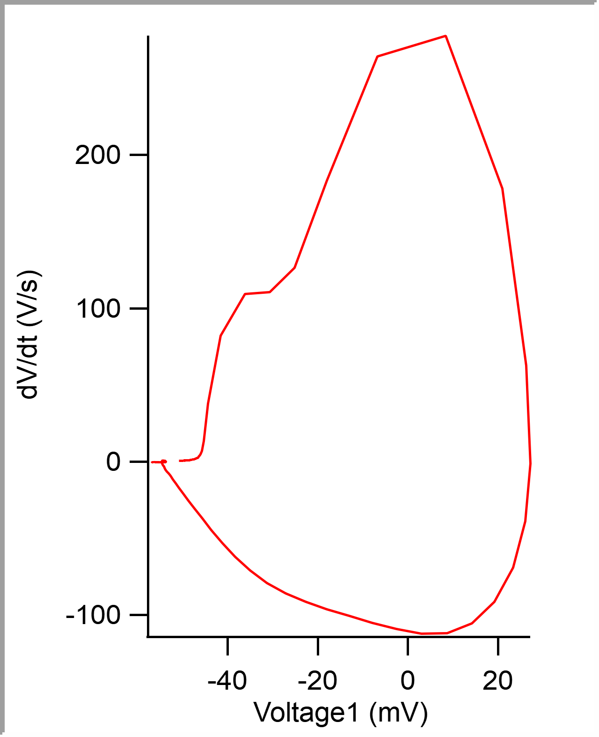
 |  |  |  |  |  |  |  |  |  |  | 0.0001 | -0.050806213 | -50.806213 | -0.051477052
 |  |  |  |  |  |  |  |  |  |  | 0.00015 | -0.05078464 | -50.78464 | -0.051562499
 |  |  |  |  |  |  |  |  |  |  | 0.0002 | -0.05075381 | -50.75381 | -0.051519774
 |  |  |  |  |  |  |  |  |  |  | 0.00025 | -0.050725479 | -50.725479 | -0.051367186
 |  |  |  |  |  |  |  |  |  |  | 0.0003 | -0.050696041 | -50.696041 | -0.051422119
 |  |  |  |  |  |  |  |  |  |  | 0.00035 | -0.050664797 | -50.664797 | -0.051428221
 |  |  |  |  |  |  |  |  |  |  | 0.0004 | -0.050635207 | -50.635207 | -0.051190186
 |  |  |  |  |  |  |  |  |  |  | 0.00045 | -0.050609611 | -50.609611 | -0.051361084
 |  |  |  |  |  |  |  |  |  |  | 0.0005 | -0.050579987 | -50.579987 | -0.051373292
 |  |  |  |  |  |  |  |  |  |  | 0.00055 | -0.050547849 | -50.547849 | -0.051373292
 |  |  |  |  |  |  |  |  |  |  | 0.0006 | -0.050519466 | -50.519466 | -0.051336668
 |  |  |  |  |  |  |  |  |  |  | 0.00065 | -0.050489012 | -50.489012 | -0.051129151
 |  |  |  |  |  |  |  |  |  |  | 0.0007 | -0.050455783 | -50.455783 | -0.051147461
 |  |  |  |  |  |  |  |  |  |  | 0.00075 | -0.050419681 | -50.419681 | -0.051171876
 |  |  |  |  |  |  |  |  |  |  | 0.0008 | -0.050389219 | -50.389219 | -0.051098634
 |  |  |  |  |  |  |  |  |  |  | 0.00085 | -0.050363816 | -50.363816 | -0.051098634
 |  |  |  |  |  |  |  |  |  |  | 0.0009 | -0.050328232 | -50.328232 | -0.051092528
 |  |  |  |  |  |  |  |  |  |  | 0.00095 | -0.0503041 | -50.3041 | -0.051031493
 |  |  |  |  |  |  |  |  |  |  | 0.001 | -0.05026757 | -50.26757 | -0.050958253
 |  |  |  |  |  |  |  |  |  |  | 0.00105 | -0.050234258 | -50.234258 | -0.051000975
 |  |  |  |  |  |  |  |  |  |  | 0.0011 | -0.050204832 | -50.204832 | -0.05093994
 |  |  |  |  |  |  |  |  |  |  | 0.00115 | -0.050172593 | -50.172593 | -0.050854493
 |  |  |  |  |  |  |  |  |  |  | 0.0012 | -0.050131813 | -50.131813 | -0.050866701
 |  |  |  |  |  |  |  |  |  |  | 0.00125 | -0.050098892 | -50.098892 | -0.050964355
 |  |  |  |  |  |  |  |  |  |  | 0.0013 | -0.050070811 | -50.070811 | -0.050842285
 |  |  |  |  |  |  |  |  |  |  | 0.00135 | -0.05003012 | -50.03012 | -0.05078125
 |  |  |  |  |  |  |  |  |  |  | 0.0014 | -0.049996167 | -49.996167 | -0.05065918
 |  |  |  |  |  |  |  |  |  |  | 0.00145 | -0.049966563 | -49.966563 | -0.050775148
 |  |  |  |  |  |  |  |  |  |  | 0.0015 | -0.049931504 | -49.931504 | -0.050592043
 |  |  |  |  |  |  |  |  |  |  | 0.00155 | -0.049893349 | -49.893349 | -0.050592043
...

c6_R2
Threshold Time (ms) | Peak (mV) | Peak Time (ms) | AHP m(V) | AHP Time (ms) | Interevent Interval (s) | Max Slope (V/s) | Min Slope (V/s) | Max/Min dV/dt | AP Duration @ 50% (s) | Number of Events | Time | First Event |  | Last Event
-0.5061086119 | 28.761036063 | 0.33325791525 | -57.814350267 | 14.597058824 | 45.30295415 | 218.94360041 | -54.047873783 | 4.0509197695 | 1.223760995 | 221 | X | Y (V) | Y (mV) | Y (V)
 |  |  |  |  |  |  |  |  |  |  | 0 | -0.05112835 | -51.12835 | -0.051214598
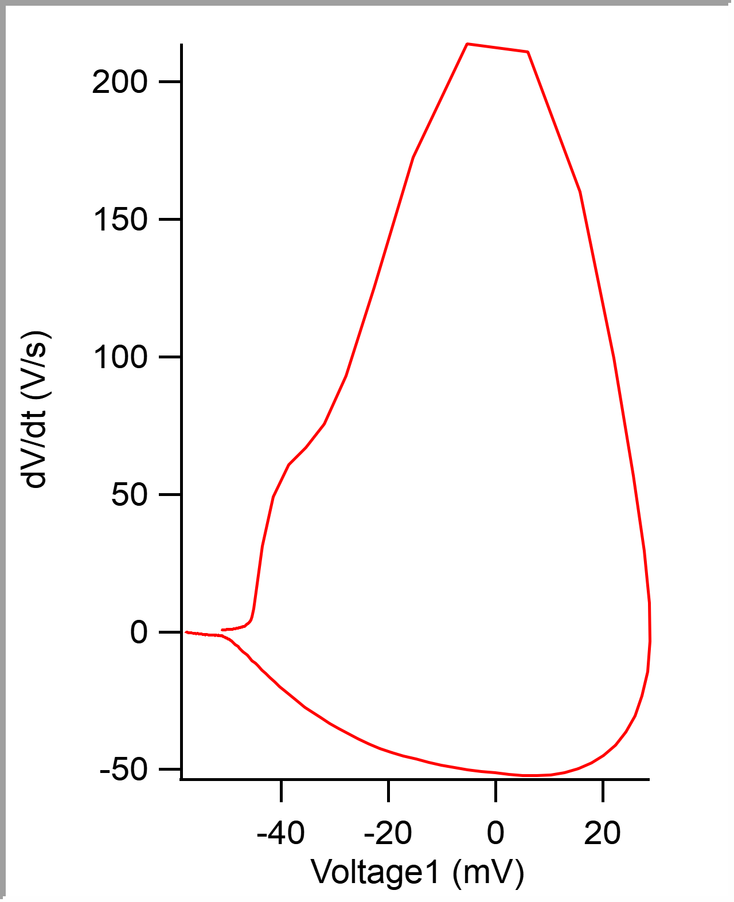
 |  |  |  |  |  |  |  |  |  |  | 5.00E-05 | -0.051093925 | -51.093925 | -0.051245116
 |  |  |  |  |  |  |  |  |  |  | 0.0001 | -0.051053096 | -51.053096 | -0.051269531
 |  |  |  |  |  |  |  |  |  |  | 0.00015 | -0.051023234 | -51.023234 | -0.051239014
 |  |  |  |  |  |  |  |  |  |  | 0.0002 | -0.050992418 | -50.992418 | -0.051202394
 |  |  |  |  |  |  |  |  |  |  | 0.00025 | -0.050958578 | -50.958578 | -0.051220704
 |  |  |  |  |  |  |  |  |  |  | 0.0003 | -0.050926011 | -50.926011 | -0.051153563
 |  |  |  |  |  |  |  |  |  |  | 0.00035 | -0.050885111 | -50.885111 | -0.051184081
 |  |  |  |  |  |  |  |  |  |  | 0.0004 | -0.050849497 | -50.849497 | -0.051275633
 |  |  |  |  |  |  |  |  |  |  | 0.00045 | -0.05080561 | -50.80561 | -0.051104736
 |  |  |  |  |  |  |  |  |  |  | 0.0005 | -0.05076731 | -50.76731 | -0.050994873
 |  |  |  |  |  |  |  |  |  |  | 0.00055 | -0.050736941 | -50.736941 | -0.051086426
 |  |  |  |  |  |  |  |  |  |  | 0.0006 | -0.050695058 | -50.695058 | -0.051013183
 |  |  |  |  |  |  |  |  |  |  | 0.00065 | -0.050666623 | -50.666623 | -0.05092163
 |  |  |  |  |  |  |  |  |  |  | 0.0007 | -0.050628714 | -50.628714 | -0.050885011
 |  |  |  |  |  |  |  |  |  |  | 0.00075 | -0.050590511 | -50.590511 | -0.050848387
 |  |  |  |  |  |  |  |  |  |  | 0.0008 | -0.050554205 | -50.554205 | -0.05078125
 |  |  |  |  |  |  |  |  |  |  | 0.00085 | -0.05051221 | -50.51221 | -0.050708007
 |  |  |  |  |  |  |  |  |  |  | 0.0009 | -0.050470561 | -50.470561 | -0.050726317
 |  |  |  |  |  |  |  |  |  |  | 0.00095 | -0.050434977 | -50.434977 | -0.050708007
 |  |  |  |  |  |  |  |  |  |  | 0.001 | -0.050391465 | -50.391465 | -0.050628662
 |  |  |  |  |  |  |  |  |  |  | 0.00105 | -0.050355148 | -50.355148 | -0.050653078
 |  |  |  |  |  |  |  |  |  |  | 0.0011 | -0.050308958 | -50.308958 | -0.050610352
 |  |  |  |  |  |  |  |  |  |  | 0.00115 | -0.050278142 | -50.278142 | -0.050543211
 |  |  |  |  |  |  |  |  |  |  | 0.0012 | -0.050232973 | -50.232973 | -0.050469972
 |  |  |  |  |  |  |  |  |  |  | 0.00125 | -0.050191145 | -50.191145 | -0.050427247
 |  |  |  |  |  |  |  |  |  |  | 0.0013 | -0.050145689 | -50.145689 | -0.050415039
 |  |  |  |  |  |  |  |  |  |  | 0.00135 | -0.050097976 | -50.097976 | -0.050311279
 |  |  |  |  |  |  |  |  |  |  | 0.0014 | -0.050060373 | -50.060373 | -0.050286867
 |  |  |  |  |  |  |  |  |  |  | 0.00145 | -0.050020032 | -50.020032 | -0.050268553
 |  |  |  |  |  |  |  |  |  |  | 0.0015 | -0.049976937 | -49.976937 | -0.050323486
...

c7_R2
Threshold Time (ms) | Peak (mV) | Peak Time (ms) | AHP m(V) | AHP Time (ms) | Interevent Interval (s) | Max Slope (V/s) | Min Slope (V/s) | Max/Min dV/dt | AP Duration @ 50% (s) | Number of Events | Time | First Event |  | Last Event
-0.43674417633 | 14.09557254 | 0.23325581726 | -51.001601228 | 14.242790698 | 46.392053047 | 174.77601474 | -68.689532572 | 2.5444344749 | 0.81039216153 | 215 | X | Y (V) | Y (mV) | Y (V)
 |  |  |  |  |  |  |  |  |  |  | 0 | -0.046855446 | -46.855446 | -0.048510741
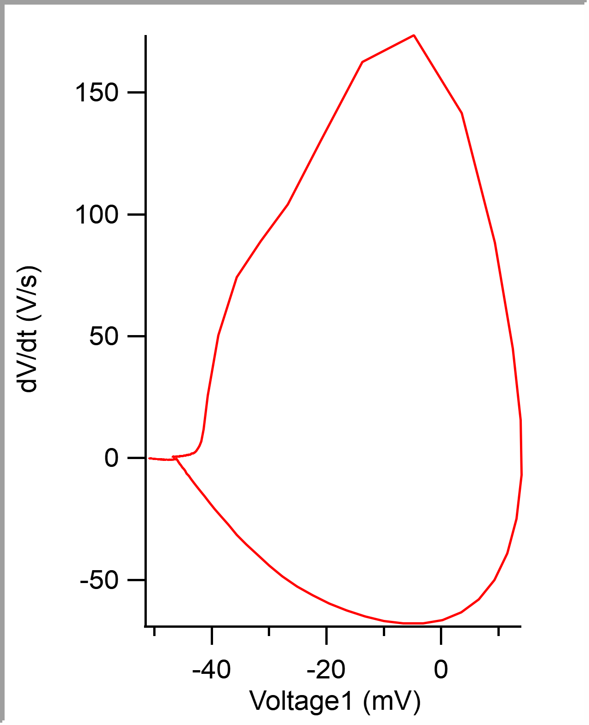
 |  |  |  |  |  |  |  |  |  |  | 5.00E-05 | -0.046824966 | -46.824966 | -0.048504639
 |  |  |  |  |  |  |  |  |  |  | 0.0001 | -0.046806548 | -46.806548 | -0.048590086
 |  |  |  |  |  |  |  |  |  |  | 0.00015 | -0.046783794 | -46.783794 | -0.048419189
 |  |  |  |  |  |  |  |  |  |  | 0.0002 | -0.046745058 | -46.745058 | -0.048443604
 |  |  |  |  |  |  |  |  |  |  | 0.00025 | -0.046717845 | -46.717845 | -0.048352052
 |  |  |  |  |  |  |  |  |  |  | 0.0003 | -0.046690132 | -46.690132 | -0.048382569
 |  |  |  |  |  |  |  |  |  |  | 0.00035 | -0.04666492 | -46.66492 | -0.048352052
 |  |  |  |  |  |  |  |  |  |  | 0.0004 | -0.046645008 | -46.645008 | -0.048272707
 |  |  |  |  |  |  |  |  |  |  | 0.00045 | -0.046616983 | -46.616983 | -0.048406981
 |  |  |  |  |  |  |  |  |  |  | 0.0005 | -0.046581082 | -46.581082 | -0.048413087
 |  |  |  |  |  |  |  |  |  |  | 0.00055 | -0.046552777 | -46.552777 | -0.048223875
 |  |  |  |  |  |  |  |  |  |  | 0.0006 | -0.046526041 | -46.526041 | -0.048175048
 |  |  |  |  |  |  |  |  |  |  | 0.00065 | -0.046503663 | -46.503663 | -0.048260499
 |  |  |  |  |  |  |  |  |  |  | 0.0007 | -0.046471372 | -46.471372 | -0.048309326
 |  |  |  |  |  |  |  |  |  |  | 0.00075 | -0.04644404 | -46.44404 | -0.048272707
 |  |  |  |  |  |  |  |  |  |  | 0.0008 | -0.046417609 | -46.417609 | -0.048199464
 |  |  |  |  |  |  |  |  |  |  | 0.00085 | -0.04638464 | -46.38464 | -0.048211671
 |  |  |  |  |  |  |  |  |  |  | 0.0009 | -0.046348616 | -46.348616 | -0.048272707
 |  |  |  |  |  |  |  |  |  |  | 0.00095 | -0.046329774 | -46.329774 | -0.048168946
 |  |  |  |  |  |  |  |  |  |  | 0.001 | -0.046298917 | -46.298917 | -0.048101805
 |  |  |  |  |  |  |  |  |  |  | 0.00105 | -0.046265248 | -46.265248 | -0.048150636
 |  |  |  |  |  |  |  |  |  |  | 0.0011 | -0.046238687 | -46.238687 | -0.048193358
 |  |  |  |  |  |  |  |  |  |  | 0.00115 | -0.046206456 | -46.206456 | -0.048083495
 |  |  |  |  |  |  |  |  |  |  | 0.0012 | -0.046170004 | -46.170004 | -0.048065186
 |  |  |  |  |  |  |  |  |  |  | 0.00125 | -0.046139762 | -46.139762 | -0.048065186
 |  |  |  |  |  |  |  |  |  |  | 0.0013 | -0.046120834 | -46.120834 | -0.048175048
 |  |  |  |  |  |  |  |  |  |  | 0.00135 | -0.046085864 | -46.085864 | -0.048107911
 |  |  |  |  |  |  |  |  |  |  | 0.0014 | -0.046044987 | -46.044987 | -0.04800415
 |  |  |  |  |  |  |  |  |  |  | 0.00145 | -0.046006426 | -46.006426 | -0.048052978
 |  |  |  |  |  |  |  |  |  |  | 0.0015 | -0.045970332 | -45.970332 | -0.04800415
...

c8_R2
Threshold Time (ms) | Peak (mV) | Peak Time (ms) | AHP m(V) | AHP Time (ms) | Interevent Interval (s) | Max Slope (V/s) | Min Slope (V/s) | Max/Min dV/dt | AP Duration @ 50% (s) | Number of Events | Time | First Event
-0.46670702252 | 23.726582019 | 0.18644067339 | -60.75303493 | 1.3302663443 | 24.226698833 | 269.7023855 | -185.10425915 | 1.4570296045 | 0.45013077969 | 413 | X | Y (V) | Y (mV)
 |  |  |  |  |  |  |  |  |  |  | 0 | -0.047975294 | -47.975294
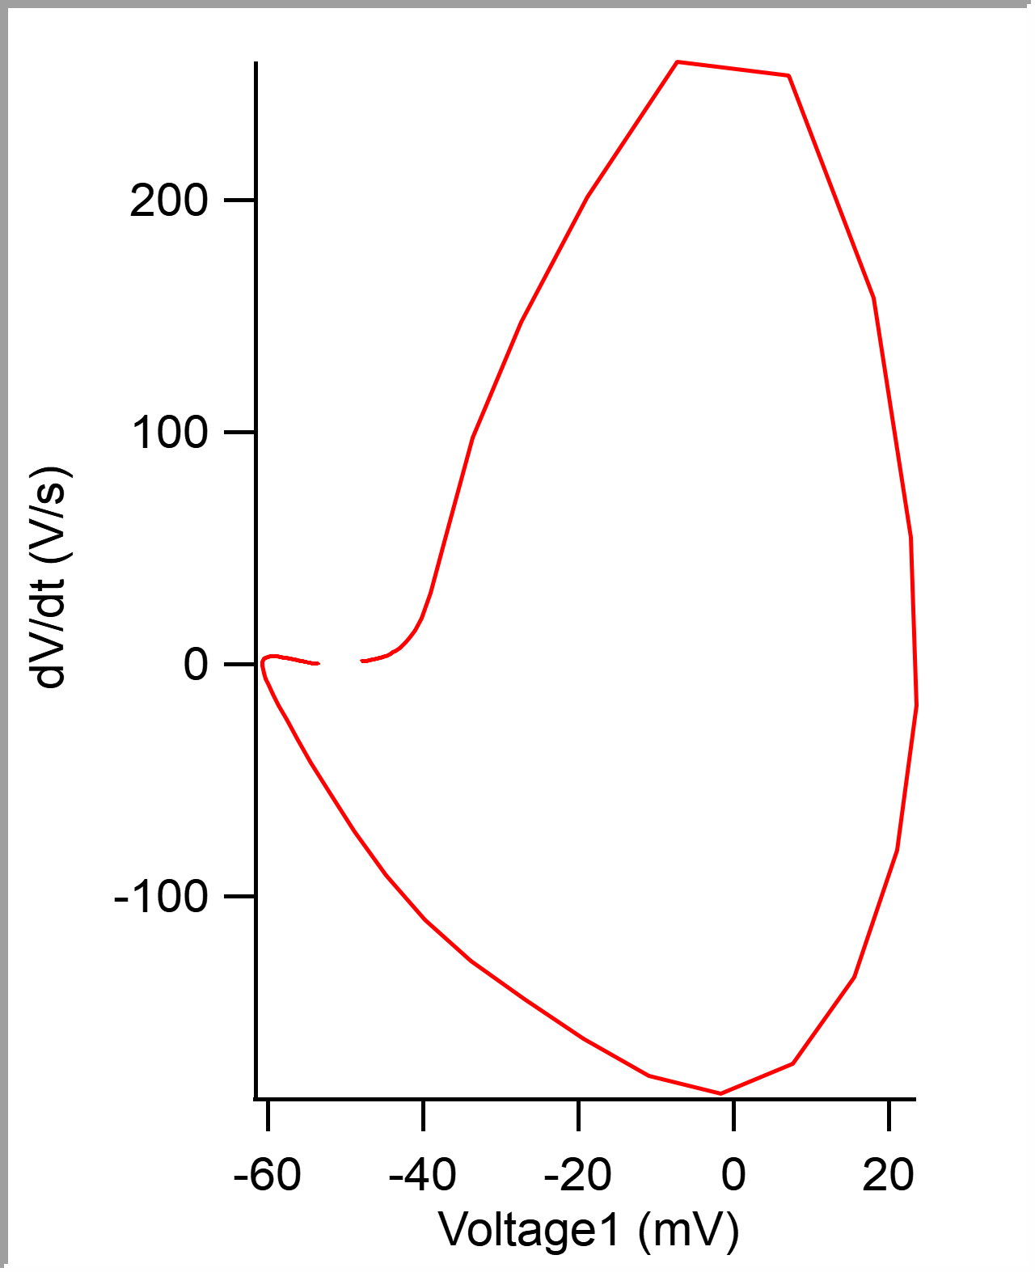
 |  |  |  |  |  |  |  |  |  |  | 5.00E-05 | -0.047913119 | -47.913119
 |  |  |  |  |  |  |  |  |  |  | 0.0001 | -0.047849689 | -47.849689
 |  |  |  |  |  |  |  |  |  |  | 0.00015 | -0.047785908 | -47.785908
 |  |  |  |  |  |  |  |  |  |  | 0.0002 | -0.047720637 | -47.720637
 |  |  |  |  |  |  |  |  |  |  | 0.00025 | -0.047650885 | -47.650885
 |  |  |  |  |  |  |  |  |  |  | 0.0003 | -0.047588933 | -47.588933
 |  |  |  |  |  |  |  |  |  |  | 0.00035 | -0.047508396 | -47.508396
 |  |  |  |  |  |  |  |  |  |  | 0.0004 | -0.047445048 | -47.445048
 |  |  |  |  |  |  |  |  |  |  | 0.00045 | -0.047368336 | -47.368336
 |  |  |  |  |  |  |  |  |  |  | 0.0005 | -0.047294281 | -47.294281
 |  |  |  |  |  |  |  |  |  |  | 0.00055 | -0.047215506 | -47.215506
 |  |  |  |  |  |  |  |  |  |  | 0.0006 | -0.047140308 | -47.140308
 |  |  |  |  |  |  |  |  |  |  | 0.00065 | -0.047056776 | -47.056776
 |  |  |  |  |  |  |  |  |  |  | 0.0007 | -0.046969634 | -46.969634
 |  |  |  |  |  |  |  |  |  |  | 0.00075 | -0.046884041 | -46.884041
 |  |  |  |  |  |  |  |  |  |  | 0.0008 | -0.04679988 | -46.79988
 |  |  |  |  |  |  |  |  |  |  | 0.00085 | -0.046712343 | -46.712343
 |  |  |  |  |  |  |  |  |  |  | 0.0009 | -0.046618342 | -46.618342
 |  |  |  |  |  |  |  |  |  |  | 0.00095 | -0.046515111 | -46.515111
 |  |  |  |  |  |  |  |  |  |  | 0.001 | -0.046415102 | -46.415102
 |  |  |  |  |  |  |  |  |  |  | 0.00105 | -0.046309579 | -46.309579
 |  |  |  |  |  |  |  |  |  |  | 0.0011 | -0.046196401 | -46.196401
 |  |  |  |  |  |  |  |  |  |  | 0.00115 | -0.046086572 | -46.086572
 |  |  |  |  |  |  |  |  |  |  | 0.0012 | -0.045961186 | -45.961186
 |  |  |  |  |  |  |  |  |  |  | 0.00125 | -0.045845672 | -45.845672
 |  |  |  |  |  |  |  |  |  |  | 0.0013 | -0.045713507 | -45.713507
 |  |  |  |  |  |  |  |  |  |  | 0.00135 | -0.045575216 | -45.575216
 |  |  |  |  |  |  |  |  |  |  | 0.0014 | -0.045432176 | -45.432176
 |  |  |  |  |  |  |  |  |  |  | 0.00145 | -0.045277625 | -45.277625
 |  |  |  |  |  |  |  |  |  |  | 0.0015 | -0.045121722 | -45.121722
...

c9_R2
Threshold Time (ms) | Peak (mV) | Peak Time (ms) | AHP m(V) | AHP Time (ms) | Interevent Interval (s) | Max Slope (V/s) | Min Slope (V/s) | Max/Min dV/dt | AP Duration @ 50% (s) | Number of Events | Time | First Event |  | Last Event
-0.37120688662 | 25.647877614 | 0.18586206462 | -53.61816399 | 1.5467241386 | 34.450000093 | 287.19566624 | -140.28299255 | 2.0472593364 | 0.51621671941 | 290 | X | Y (V) | Y (mV) | Y (V)
 |  |  |  |  |  |  |  |  |  |  | 0 | -0.046260171 | -46.260171 | -0.046356201
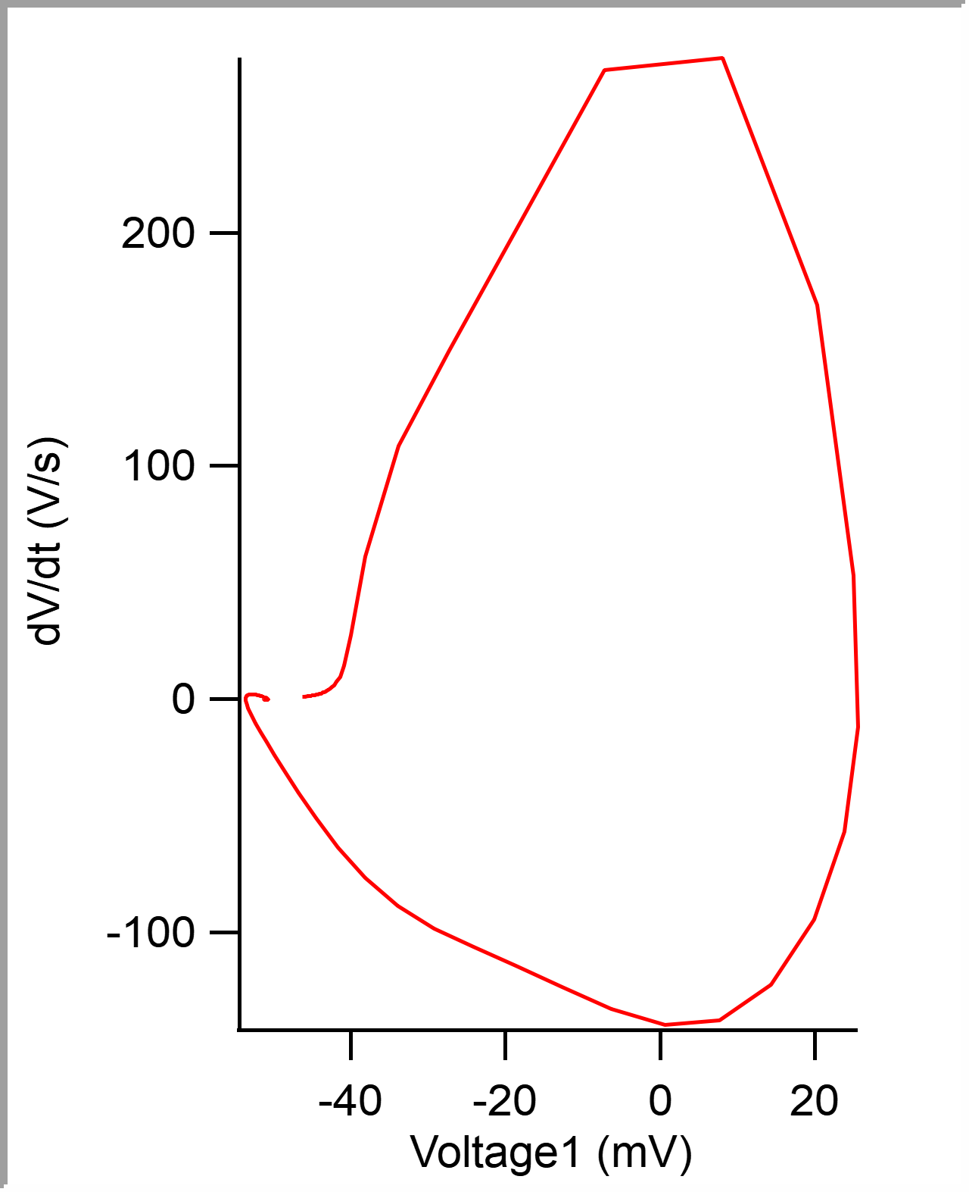
 |  |  |  |  |  |  |  |  |  |  | 5.00E-05 | -0.046212204 | -46.212204 | -0.046417236
 |  |  |  |  |  |  |  |  |  |  | 0.0001 | -0.046161264 | -46.161264 | -0.046301268
 |  |  |  |  |  |  |  |  |  |  | 0.00015 | -0.046110332 | -46.110332 | -0.046215821
 |  |  |  |  |  |  |  |  |  |  | 0.0002 | -0.046051715 | -46.051715 | -0.046234131
 |  |  |  |  |  |  |  |  |  |  | 0.00025 | -0.046000887 | -46.000887 | -0.04627075
 |  |  |  |  |  |  |  |  |  |  | 0.0003 | -0.045941569 | -45.941569 | -0.046209715
 |  |  |  |  |  |  |  |  |  |  | 0.00035 | -0.045889579 | -45.889579 | -0.046209715
 |  |  |  |  |  |  |  |  |  |  | 0.0004 | -0.045827571 | -45.827571 | -0.045941163
 |  |  |  |  |  |  |  |  |  |  | 0.00045 | -0.045770932 | -45.770932 | -0.045922853
 |  |  |  |  |  |  |  |  |  |  | 0.0005 | -0.045700561 | -45.700561 | -0.045953371
 |  |  |  |  |  |  |  |  |  |  | 0.00055 | -0.045636397 | -45.636397 | -0.04590454
 |  |  |  |  |  |  |  |  |  |  | 0.0006 | -0.045579847 | -45.579847 | -0.045825195
 |  |  |  |  |  |  |  |  |  |  | 0.00065 | -0.045505092 | -45.505092 | -0.04588623
 |  |  |  |  |  |  |  |  |  |  | 0.0007 | -0.045446966 | -45.446966 | -0.045733642
 |  |  |  |  |  |  |  |  |  |  | 0.00075 | -0.045378491 | -45.378491 | -0.045721434
 |  |  |  |  |  |  |  |  |  |  | 0.0008 | -0.04530748 | -45.30748 | -0.045593262
 |  |  |  |  |  |  |  |  |  |  | 0.00085 | -0.045237537 | -45.237537 | -0.045672607
 |  |  |  |  |  |  |  |  |  |  | 0.0009 | -0.045165304 | -45.165304 | -0.045452882
 |  |  |  |  |  |  |  |  |  |  | 0.00095 | -0.045093391 | -45.093391 | -0.045471191
 |  |  |  |  |  |  |  |  |  |  | 0.001 | -0.045015723 | -45.015723 | -0.045166016
 |  |  |  |  |  |  |  |  |  |  | 0.00105 | -0.044933151 | -44.933151 | -0.045056153
 |  |  |  |  |  |  |  |  |  |  | 0.0011 | -0.044846371 | -44.846371 | -0.044958495
 |  |  |  |  |  |  |  |  |  |  | 0.00115 | -0.044759225 | -44.759225 | -0.044958495
 |  |  |  |  |  |  |  |  |  |  | 0.0012 | -0.04466524 | -44.66524 | -0.044885255
 |  |  |  |  |  |  |  |  |  |  | 0.00125 | -0.044572234 | -44.572234 | -0.044873048
 |  |  |  |  |  |  |  |  |  |  | 0.0013 | -0.044477127 | -44.477127 | -0.044659425
 |  |  |  |  |  |  |  |  |  |  | 0.00135 | -0.044379968 | -44.379968 | -0.044805907
 |  |  |  |  |  |  |  |  |  |  | 0.0014 | -0.044274345 | -44.274345 | -0.044830322
 |  |  |  |  |  |  |  |  |  |  | 0.00145 | -0.044170279 | -44.170279 | -0.044543456
 |  |  |  |  |  |  |  |  |  |  | 0.0015 | -0.044063102 | -44.063102 | -0.044573974
...

